Cluster
Type | Name | Arguments | Description | URL | Examples | Reference
Modules |  |  |  |  |  | GL_Supervised_Wk1_Notebook GL_Classification_Wk1_HandsOn

Cluster
 | sklearn.cluster.AgglomerativeClustering() | sklearn.cluster.AgglomerativeClustering(n_clusters=2, *, metric='euclidean', memory=None, connectivity=None, compute_full_tree='auto', linkage='ward', distance_threshold=None, compute_distances=False) | Agglomerative Clustering. Recursively merges pair of clusters of sample data; uses linkage distance. | AgglomerativeClustering — scikit-learn 1.7.dev0 documentation | HCmodel = AgglomerativeClustering(n_clusters=6, affinity="euclidean", linkage="average") HCmodel.fit(subset_scaled_df) ------------------------------------------------- ag=AgglomerativeClustering( n_clusters=4, metric="euclidean", linkage="ward") ag.fit(X) | GL_Unsupervised_Wk2_Tourism Machine_Learning_Pocket_Ref pg 282
 | sklearn.cluster.AgglomerativeClustering().fit() | fit(X, y=None) | Fit the hierarchical clustering from features, or distance matrix | AgglomerativeClustering — scikit-learn 1.7.dev0 documentation | HCmodel = AgglomerativeClustering(n_clusters=6, affinity="euclidean", linkage="average") HCmodel.fit(subset_scaled_df) | GL_Unsupervised_Wk2_Tourism
 | sklearn.cluster.AgglomerativeClustering().labels_ | sklearn.cluster.AgglomerativeClustering().labels_ | Cluster labels for each point. | AgglomerativeClustering — scikit-learn 1.7.dev0 documentation | subset_scaled_df["HC_Clusters"] = HCmodel.labels_ df1["HC_Clusters"] = HCmodel.labels_ | GL_Unsupervised_Wk2_Tourism
 | sklearn.cluster.Kmeans() | sklearn.cluster.KMeans(n_clusters=8, *, init='k-means++', n_init='auto', max_iter=300, tol=0.0001, verbose=0, random_state=None, copy_x=True, algorithm='lloyd') | K-Means clustering | KMeans — scikit-learn 1.7.dev0 documentation | from scipy.spatial.distance import cdist clusters=range(1,10) meanDistortions=[] for k in clusters: model=KMeans(n_clusters=k) model.fit(techSuppScaled) prediction=model.predict(techSuppScaled) meanDistortions.append(sum(np.min(cdist(techSuppScaled, model.cluster_centers_, 'euclidean'), axis=1)) / techSuppScaled.shape[0]) ------------------------------------------------------- # Create a Kmeans cluster and plot the clusters along with the cluster centers kmeans = KMeans(init="random", n_clusters=3, max_iter=300, random_state=42) kmeans.fit(allpoints) newclass=[label+1 for label in kmeans.labels_] makeplot(allpoints,newclass,kmeans.cluster_centers_) | GL_Unsupervised_Wk1_Kmeans Dive_into_Data_Science pg165
 | sklearn.cluster.Kmeans().cluster_centers_ | sklearn.cluster.Kmeans().cluster_centers_ | Coordinates of cluster centers. If the algorithm stops before fully converging (see tol and max_iter), these will not be consistent with labels_. | KMeans — scikit-learn 1.7.dev0 documentation | meanDistortions.append(sum(np.min(cdist(techSuppScaled, model.cluster_centers_, 'euclidean'), axis=1)) / techSuppScaled.shape[0]) ----------------------------------------------------------- centers = pd.DataFrame(kmeans.cluster_centers_, columns=["XOM","CVX"]) print(centers) ----------------------------------------------------------- fig, ax = plt.subplots(figsize=(4,4)) ax = sns.scatterplot(x="XOM", y="CVX", hue="cluster", style="cluster", ax = ax, data=df) ax.set_xlim(-3,3) ax.set_ylim(-3,3) centers.plot.scatter(x="XOM", y="CVX", ax=ax, s=50, color = "black") plt.tight_layout() plt.show() | GL_Unsupervised_Wk1_Kmeans Practical_Statistics pg 297 | 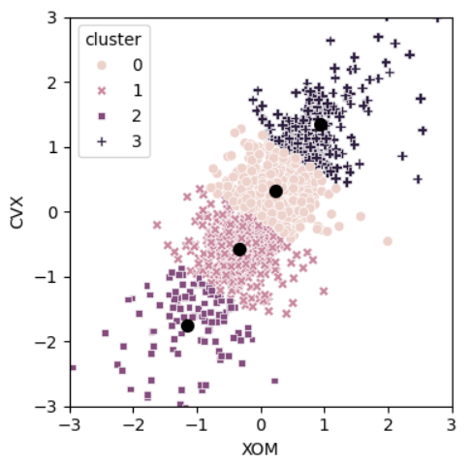
 | sklearn.cluster.Kmeans().cluster_centers_ Continued |  | For plotting - reveals the nature of the clusters. What features encompass a cluster |  | centers = pd.DataFrame(kmeans.cluster_centers_, columns=syms) f, axes = plt.subplots(5,1,figsize=(5,6), sharex = True) for i, ax in enumerate(axes): center = centers.loc[i,:] maxPC = 1.01*np.max(np.max(np.abs(center))) colors = ["C0" if l > 0 else "C1" for l in center] ax.axhline(color="#888888") center.plot.bar(ax=ax, color=colors) ax.set_ylabel(f"Cluster {i+1}") ax.set_ylim(-maxPC, maxPC) plt.tight_layout() plt.show() | Practical_Statistics pg300 | 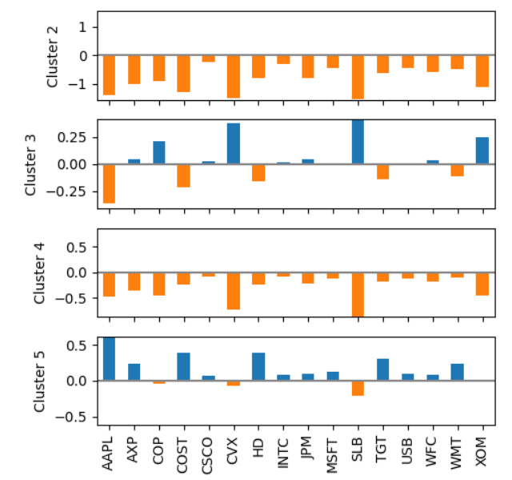
 | sklearn.cluster.Kmeans().fit() | fit(X, y=None, sample_weight=None) | Compute k-means clustering | KMeans — scikit-learn 1.7.dev0 documentation | model=KMeans(n_clusters=k) model.fit(techSuppScaled) | GL_Unsupervised_Wk1_Kmeans
 | sklearn.cluster.Kmeans().inertias_ | sklearn.cluster.Kmeans().inertias_ | Sum of squared distances of samples to their closest cluster center, weighted by the sample weights if provided. | KMeans — scikit-learn 1.7.dev0 documentation | from sklearn.cluster import KMeans from sklearn.preprocessing import StandardScaler X_std = StandardScaler().fit_transform(X) km = KMeans(2, random_state=42) km.fit(X_std) import matplotlib.pyplot as plt inertias = [] sizes = range(2,12) for k in sizes: k2 = KMeans(random_state=42, n_clusters=k) k2.fit(X_std) inertias.append(k2.inertia_) fig, ax = plt.subplots(figsize=(6,4)) pd.Series(inertias, index=sizes).plot(ax=ax) ax.set_xlabel("K") ax.set_ylabel("Inertia") | Machine_Learning_Pocket_Ref pg 276
 | sklearn.cluster.Kmeans().inertias_ Continued |  | For plotting the scree elbow plot |  | inertia = [] for n_clusters in range(2,15): kmeans = KMeans(n_clusters=n_clusters, random_state=0, n_init="auto").fit(top_sp) inertia.append(kmeans.inertia_ / n_clusters) inertias = pd.DataFrame({ "n_clusters": range(2,15), "inertia": inertia }) ax = inertias.plot(x="n_clusters", y="inertia") plt.xlabel("Number of clusters(k)") plt.ylabel("Average Within-Cluster Squared Distances") plt.ylim((0, 1.1 * inertias.inertia.max())) ax.legend().set_visible(False) plt.tight_layout() plt.show() | Practical_Statistics pg 303 | 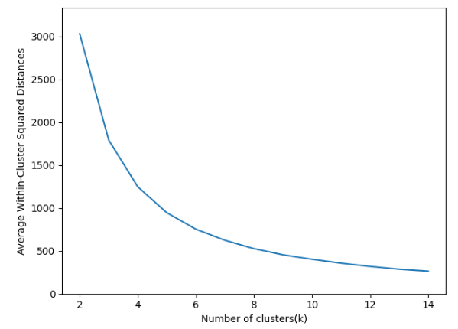
 | sklearn.cluster.Kmeans().labels_ | sklearn.cluster.Kmeans().labels_ | Labels of each point | KMeans — scikit-learn 1.7.dev0 documentation | kmeans = KMeans(n_clusters=5, random_state=0) kmeans.fit(subset_scaled_df) # adding kmeans cluster labels to the origfinal dataframe df["K_means_segments"] = kmeans.labels_ ------------------------------------------------------- df = sp500_px.loc[sp500_px.index >= '2011-01-01', ["XOM","CVX"]] kmeans = KMeans(n_clusters=4, n_init="auto").fit(df) df["cluster"] = kmeans.labels_ print(df.head()) ------------------------------------------------------ from collections import Counter print(Counter(kmeans.labels_)) | GL_Unsupervised_Wk1_Engineering Practical_Statistics pg296, 299
 | sklearn.cluster.Kmeans().predict() | predict(X) | Predict the closest cluster each sample in X belongs to. In the vector quantization literature, cluster_centers_ is called the code book and each value returned by predict is the index of the closest code in the code book. | KMeans — scikit-learn 1.7.dev0 documentation | model=KMeans(n_clusters=k) model.fit(techSuppScaled) prediction=model.predict(techSuppScaled) ---------------------------------------------- # Let us first start with K = 3 final_model=KMeans(3) final_model.fit(techSuppScaled) prediction=final_model.predict(techSuppScaled) #Append the prediction tech_supp_df["GROUP"] = prediction techSuppScaled["GROUP"] = prediction print("Groups Assigned : \n") tech_supp_df.head() | GL_Unsupervised_Wk1_Kmeans

Decomposition
Type | Name | Arguments | Description | URL | Examples | Reference
Modules |  |  |  |  |  | GL_Supervised_Wk1_Notebook GL_Classification_Wk1_HandsOn

Decomposition
 | sklearn.decomposition.IncrementalPCA() | sklearn.decomposition.IncrementalPCA(n_components=None, *, whiten=False, copy=True, batch_size=None) | Incremental principal components analysis (IPCA). Linear dimensionality reduction using Singular Value Decomposition of the data, keeping only the most significant singular vectors to project the data to a lower dimensional space. The input data is centered but not scaled for each feature before applying the SVD. Depending on the size of the input data, this algorithm can be much more memory efficient than a PCA, and allows sparse input. This algorithm has constant memory complexity, on the order of batch_size * n_features, enabling use of np.memmap files without loading the entire file into memory. For sparse matrices, the input is converted to dense in batches (in order to be able to subtract the mean) which avoids storing the entire dense matrix at any one time. | IncrementalPCA — scikit-learn 1.8.dev0 documentation | from sklearn.decomposition import IncrementalPCA n_batches = 100 inc_pca = IncrementalPCA(n_components=154) for X_batch in np.array_split(X_train, n_batches): inc_pca.partial_fit(X_batch) X_reduced = inc_pca.transform(X_train) -------------------------------------------------------------- filename = "my_mnist.mmap" X_mmap = np.memmap(filename, dtype='float32', mode='write', shape=X_train.shape) X_mmap[:] = X_train # could be a loop instead, saving the data chunk by chunk X_mmap.flush() X_mmap = np.memmap(filename, dtype="float32", mode="readonly").reshape(-1, 784) batch_size = X_mmap.shape[0] // n_batches inc_pca = IncrementalPCA(n_components=154, batch_size=batch_size) inc_pca.fit(X_mmap) | Handson_Scikit_Keras_Tensorflow pg250,251
 | sklearn.decomposition.PCA() | sklearn.decomposition.PCA(n_components=None, *, copy=True, whiten=False, svd_solver='auto', tol=0.0, iterated_power='auto', n_oversamples=10, power_iteration_normalizer='auto', random_state=None) | Principal component analysis (PCA). Linear dimensionality reduction using Singular Value Decomposition of the data to project it to a lower dimensional space. The input data is centered but not scaled for each feature before applying the SVD. It uses the LAPACK implementation of the full SVD or a randomized truncated SVD by the method of Halko et al. 2009, depending on the shape of the input data and the number of components to extract | PCA — scikit-learn 1.7.dev0 documentation | pca = PCA(n_components=2) X_reduced_pca = pca.fit_transform(X) # storing results in a dataframe reduced_data_df_pca = pd.DataFrame(data = X_reduced_pca, columns = ['Component 1', 'Component 2']) sns.scatterplot(x=reduced_data_df_pca.iloc[:,0],y=reduced_data_df_pca.iloc[:,1]) ------------------------------------------------------------- # setting the number of components to 2 pca = PCA(n_components=2) # transforming data and storing results in a dataframe X_reduced_pca = pca.fit_transform(subset_scaled_df) reduced_df_pca = pd.DataFrame(data=X_reduced_pca, columns=["Component 1", "Component 2"]) ------------------------------------------------------------- rnd_pca = PCA(n_components=154, svd_solver="randomized", random_state=42) X_reduced = rnd_pca.fit_transform(X_train) | GL_Unsupervised_Wk2_TSNE GL_Unsupervised_Wk2_Tourism Handson_Scitkit_Keras_Tensorflow pg250
 | sklearn.decomposition.PCA().components_ | sklearn.decomposition.PCA().components_ | Principal axes in feature space, representing the directions of maximum variance in the data. Equivalently, the right singular vectors of the centered input data, parallel to its eigenvectors. The components are sorted by decreasing explained_variance_ | PCA — scikit-learn 1.7.dev0 documentation | from sklearn.decomposition import PCA from sklearn.preprocessing import StandardScaler pca = PCA(random_state=42) X_pca = pca.fit_transform(StandardScaler().fit_transform(X)) pca.components_[0] ------------------------------------------------- pcs = PCA(n_components=2) pcs.fit(oil_px) loadings = pd.DataFrame(pcs.components_, columns=oil_px.columns) def abline(slope, intercept, ax): """ Calculate coordinates of a line based on slope and intercept """ x_vals = np.array(ax.get_xlim()) return (x_vals, intercept + slope * x_vals) ax = oil_px.plot.scatter(x="XOM", y="CVX", alpha=0.3, figsize=(4,4)) ax.set_xlim(-3,3) ax.set_ylim(-3,3) ax.plot(*abline(loadings.loc[0,"CVX"] / loadings.loc[0,"XOM"], 0, ax), "--", color="C1") ax.plot(*abline(loadings.loc[1,"CVX"] / loadings.loc[1, "XOM"],0,ax), "--", color="C1") plt.tight_layout() plt.show() | Machine_Learning_Pocket_Ref pg 240 Practical_Statistics pg287 | 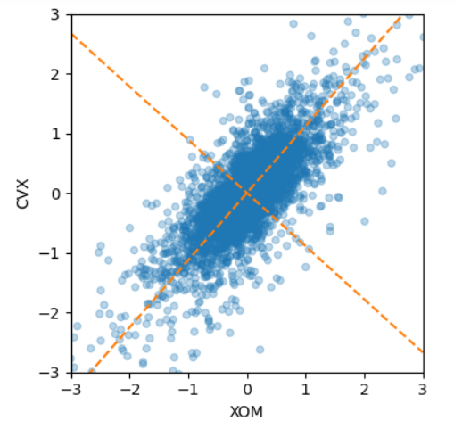
 | sklearn.decomposition.PCA().components_ (continued) |  | can be used to plot the loadings of the top components |  | loadings = pd.DataFrame(sp_pca.components_[0:5, :], columns = top_sp.columns) maxPC = 1.01 * loadings.loc[0:5, :].abs().to_numpy().max() f, axes = plt.subplots(5, 1, figsize=(5,5), sharex=True) for i, ax in enumerate(axes): pc_loadings = loadings.loc[i,:] colors = ["C0" if l > 0 else "C1" for l in pc_loadings] ax.axhline(color='#888888') pc_loadings.plot.bar(ax=ax, color=colors) ax.set_ylabel(f"PC{i+1}") ax.set_ylim(-maxPC, maxPC) plt.tight_layout() plt.show() ------------------------------------------------------------- # Show the dominant variables in the first 2 components loadings = pd.DataFrame(sp_pca1.components_[0:2,:], columns=top_sp1.columns) print(loadings.transpose()) | Practical_Statistics pg 290-291, 321 | 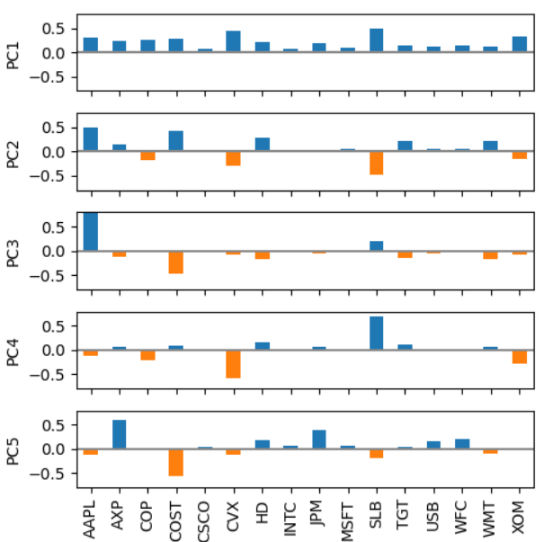
 | sklearn.decomposition.PCA().explained_variance_ | sklearn.decomposition.PCA().explained_variance_ | The amount of variance explained by each of the selected components. The variance estimation uses n_samples - 1 degrees of freedom. Equal to n_components largest eigenvalues of the covariance matrix of X. | PCA — scikit-learn 1.7.dev0 documentation | sp_pca=PCA() sp_pca.fit(top_sp) explained_variance = pd.DataFrame(sp_pca.explained_variance_) ax = explained_variance.head(10).plot.bar( legend=False, figsize=(4,4)) ax.set_xlabel("Component") plt.tight_layout() plt.show() | Practical_Statistics pg289 | 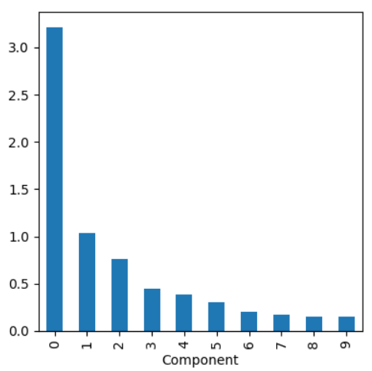
 | sklearn.decomposition.PCA().explained_variance_ratio_ | sklearn.decomposition.PCA().explained_variance_ratio_ | Percentage of variance explained by each of the selected components. If n_components is not set then all components are stored and the sum of the ratios is equal to 1.0. | PCA — scikit-learn 1.7.dev0 documentation | # checking the amount of variance explained pca.explained_variance_ratio_.sum() | GL_Unsupervised_Wk2_Tourism
 | sklearn.decomposition.PCA().fit_transform() | sklearn.decomposition.PCA().fit_transform() | Fit the model with X and apply the dimensionality reduction on X. | PCA — scikit-learn 1.7.dev0 documentation | pca = PCA(n_components=2) X_reduced_pca = pca.fit_transform(X) # storing results in a dataframe reduced_data_df_pca = pd.DataFrame(data = X_reduced_pca, columns = ['Component 1', 'Component 2']) sns.scatterplot(x=reduced_data_df_pca.iloc[:,0],y=reduced_data_df_pca.iloc[:,1]) | GL_Unsupervised_Wk2_TSNE

Feature_Selection
Type | Name | Arguments | Description | URL | Examples | Reference
Modules |  |  |  |  |  | GL_Supervised_Wk1_Notebook GL_Classification_Wk1_HandsOn

Feature_Selection
 | sklearn.feature_selection.RFE() | sklearn.feature_selection.RFE(estimator, *, n_features_to_select=None, step=1, verbose=0, importance_getter='auto') | Feature ranking with recursive feature elimination. Given an external estimator that assigns weights to features (e.g., the coefficients of a linear model), the goal of recursive feature elimination (RFE) is to select features by recursively considering smaller and smaller sets of features. First, the estimator is trained on the initial set of features and the importance of each feature is obtained either through any specific attribute or callable. Then, the least important features are pruned from current set of features. That procedure is recursively repeated on the pruned set until the desired number of features to select is eventually reached. | RFE — scikit-learn 1.7.dev0 documentation | # Create a recursive Feature Elimation using sklearn RFE from sklearn.feature_selection import RFE model = RandomForestClassifier(n_estimators=100) rfe = RFE(model, n_features_to_select = 5) rfe.fit(X,y) X.columns[rfe.support_] | Machine_Learning_Pocket_Ref pg95
 | sklearn.feature_selection.RFECV() | sklearn.feature_selection.RFECV(estimator, *, step=1, min_features_to_select=1, cv=None, scoring=None, verbose=0, n_jobs=None, importance_getter='auto') | Recursive feature elimination with cross-validation to select features. | RFECV — scikit-learn 1.8.dev0 documentation
 | sklearn.feature_selection.mutual_info_classif() | sklearn.feature_selection.mutual_info_classif(X, y, *, discrete_features='auto', n_neighbors=3, copy=True, random_state=None, n_jobs=None) | Estimate mutual information for a discrete target variable. Mutual information (MI) [1] between two random variables is a non-negative value, which measures the dependency between the variables. It is equal to zero if and only if two random variables are independent, and higher values mean higher dependency. The function relies on nonparametric methods based on entropy estimation from k-nearest neighbors distances as described in [2] and [3]. Both methods are based on the idea originally proposed in [4]. | mutual_info_classif — scikit-learn 1.7.dev0 documentation | from sklearn.feature_selection import mutual_info_classif mic = mutual_info_classif(X,y) fig, ax = plt.subplots(figsize=(10,8)) (pd.DataFrame({"feature":X.columns, "vimp":mic}) .set_index("feature") .plot.barh(ax=ax) ) | Machine_Learning_Pocket_Ref pg96 | 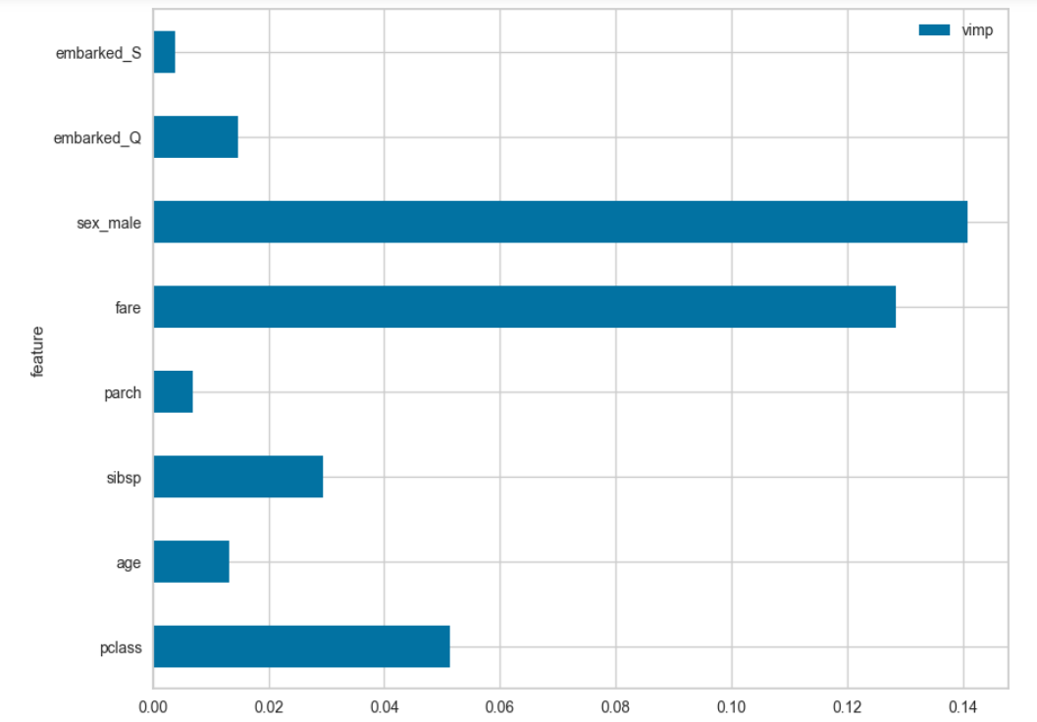

Linear_Model
Type | Name | Arguments | Description | URL | Examples | Reference
Modules |  |  |  |  |  | GL_Supervised_Wk1_Notebook GL_Classification_Wk1_HandsOn

Linear_Model | sklearn.linear_model.ElasticNet() | sklearn.linear_model.ElasticNet(alpha=1.0, *, l1_ratio=0.5, fit_intercept=True, precompute=False, max_iter=1000, copy_X=True, tol=0.0001, warm_start=False, positive=False, random_state=None, selection='cyclic') | Linear regression with combined L1 and L2 priors as regularizer. | ElasticNet — scikit-learn 1.7.dev0 documentation | Xs = X-X.mean(0)[None,:] X_scale = X.std(0) Xs = Xs / X_scale[None,:] lambdas = 10**np.linspace(8,-2,100)/Y.std() soln_array = skl.ElasticNet.path(Xs,Y,l1_ratio=0,alphas=lambdas)[1] soln_array.shape ------------------------------------------- from sklearn.linear_model import ElasticNet elastic_net = ElasticNet(alpha=0.1, l1_ratio=0.5) elastic_net.fit(X,y) elastic_net.predict([[1.5]]) | ISLP pg274 Hands_On_Sckit_Keras_Tensorflow pg162
 | sklearn.linear_model.ElasticNet().fit() | fit(X, y, sample_weight=None, check_input=True) | Fit model with coordinate descent. | ElasticNet — scikit-learn 1.7.dev0 documentation | from sklearn.linear_model import ElasticNet elastic_net = ElasticNet(alpha=0.1, l1_ratio=0.5) elastic_net.fit(X,y) elastic_net.predict([[1.5]]) | Hands_On_Sckit_Keras_Tensorflow pg162
 | sklearn.linear_model.ElasticNet().path | path(X, y, *, l1_ratio=0.5, eps=0.001, n_alphas=100, alphas=None, precompute='auto', Xy=None, copy_X=True, coef_init=None, verbose=False, return_n_iter=False, positive=False, check_input=True, **params) | Compute elastic net path with coordinate descent. The elastic net optimization function varies for mono and multi-outputs. | ElasticNet — scikit-learn 1.7.dev0 documentation | Xs = X-X.mean(0)[None,:] X_scale = X.std(0) Xs = Xs / X_scale[None,:] lambdas = 10**np.linspace(8,-2,100)/Y.std() soln_array = skl.ElasticNet.path(Xs, Y, l1_ratio=0, alphas=lambdas)[1] soln_array.shape | ISLP pg274
 | sklearn.linear_model.ElasticNetCV() | sklearn.linear_model.ElasticNetCV(*, l1_ratio=0.5, eps=0.001, n_alphas=100, alphas=None, fit_intercept=True, precompute='auto', max_iter=1000, tol=0.0001, cv=None, copy_X=True, verbose=0, n_jobs=None, positive=False, random_state=None, selection='cyclic') | Elastic Net model with iterative fitting along a regularization path. | ElasticNetCV — scikit-learn 1.7.dev0 documentation | ridgeCV = skl.ElasticNetCV(alphas=lambdas, l1_ratio = 0, cv=kfold) pipeCV = Pipeline(steps=[('scaler',scaler), ('ridge', ridgeCV)]) pipeCV.fit(X,Y) | ISLP pg277
 | sklearn.linear_model.ElasticNetCV().fit() | fit(X, y, sample_weight=None, **params) | Fit ElasticNet model with coordinate descent. Fit is on grid of alphas and best alpha estimated by cross-validation. | ElasticNetCV — scikit-learn 1.7.dev0 documentation | ridgeCV = skl.ElasticNetCV(alphas=lambdas, l1_ratio = 0, cv=kfold) pipeCV = Pipeline(steps=[('scaler',scaler), ('ridge', ridgeCV)]) pipeCV.fit(X,Y) | ISLP pg277
 | sklearn.linear_model.Lasso() | sklearn.linear_model.Lasso(alpha=1.0, *, fit_intercept=True, precompute=False, copy_X=True, max_iter=1000, tol=0.0001, warm_start=False, positive=False, random_state=None, selection='cyclic' | Linear Model trained with L1 prior as regularizer (aka the Lasso). | Lasso — scikit-learn 1.7.dev0 documentation | lambdas, soln_array = skl.Lasso.path(Xs, Y, l1_ratio=1, n_alphas=100)[:2] | ISLP pg279
 | sklearn.linear_model.Lasso().path | path(X, y, *, l1_ratio=0.5, eps=0.001, n_alphas=100, alphas=None, precompute='auto', Xy=None, copy_X=True, coef_init=None, verbose=False, return_n_iter=False, positive=False, check_input=True, **params) | Compute elastic net path with coordinate descent. The elastic net optimization function varies for mono and multi-outputs. | Lasso — scikit-learn 1.7.dev0 documentation | lambdas, soln_array = skl.Lasso.path(Xs, Y, l1_ratio=1, n_alphas=100)[:2] | ISLP pg279
 | sklearn.linear_model.LassoLarsCV() | sklearn.linear_model.LassoLarsCV(*, fit_intercept=True, verbose=False, max_iter=500, precompute='auto', cv=None, max_n_alphas=1000, n_jobs=None, eps=np.float64(2.220446049250313e-16), copy_X=True, positive=False) | Cross-validated Lasso, using the LARS algorithm | LassoLarsCV — scikit-learn 1.6.1 documentation | from sklearn.linear_model import LassoLarsCV model = LassoLarsCV(cv=10, max_n_alphas=10).fit(X_train, y_train) fig, ax = plt.subplots(figsize=(12,8)) cm = iter (plt.get_cmap("tab20")(np.linspace(0,1, X.shape[1]))) for i in range(X.shape[1]): c = next(cm) ax.plot(model.alphas_, model.coef_path_.T[:,i], c=c, alpha=0.8, label=X.columns[i]) ax.axvline( model.alpha_, linestyle="-", c="k", label="alphaCV") plt.ylabel("Regression Coefficients") ax.legend(X.columns, bbox_to_anchor=(1,1)) plt.xlabel("alpha") plt.title("Regression Coefficients Progression for Lasso Paths") | Machine_Learning_Pocket_Ref pg 93 | 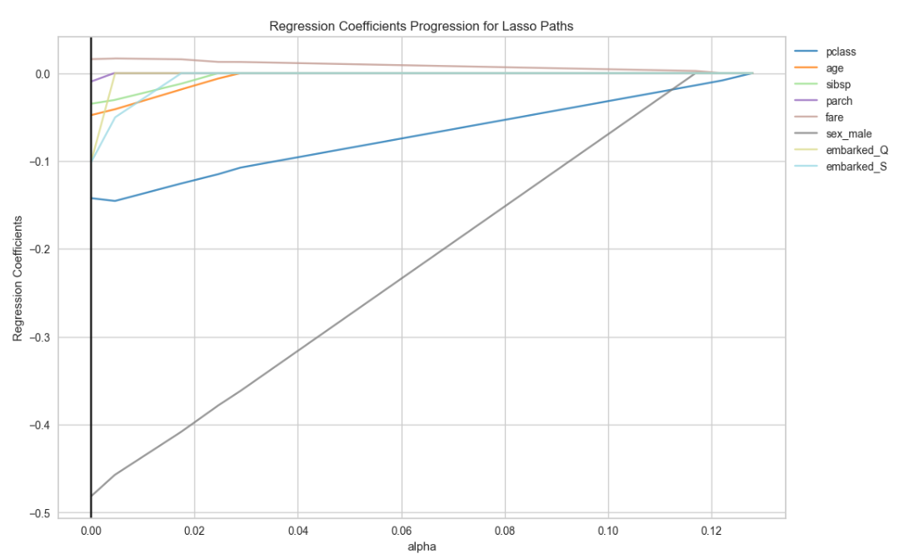
 | sklearn.linear_model.LinearRegression() | sklearn.linear_model.LinearRegression(*, fit_intercept=True, copy_X=True, n_jobs=None, positive=False) | Ordinary least squares Linear Regression. LinearRegression fits a linear model with coefficients w = (w1, …, wp) to minimize the residual sum of squares between the observed targets in the dataset, and the targets predicted by the linear approximation. This is for classification modeling and not regression modeling. The Y target value must be an integer (e.g, a star rating value) | LinearRegression — scikit-learn 1.5.1 documentation | from sklearn.linear_model import LinearRegression x = ['P_Football_Performance','SMAn2'] y = 'N_Applications' #x contains the independent attributes data_x = msu_df[x] #y contains the dependent attribute data_y = msu_df[y] lm = LinearRegression().fit(data_x, data_y) print('intercept (b0) ', lm.intercept_) coef_names = ['b1','b2'] print(pd.DataFrame({'Predictor': data_x.columns, 'coefficient Name': coef_names, 'coefficient Value': lm.coef_})) ----------------------------------------------- # preprocessing is a pipeline lin_reg = make_pipeline(preprocessing, LinearRegression()) lin_reg.fit(housing, housing_labels) # X and y | ddp 165-168 Hands_On_Scikit_Keras_Tensorflow pg88
 | sklearn.linear_model.LinearRegression().coef_ | sklearn.linear_model.LinearRegression().coef_ | Estimated coefficients for the linear regression problem. If multiple targets are passed during the fit (y 2D), this is a 2D array of shape (n_targets, n_features), while if only one target is passed, this is a 1D array of length n_features. | LinearRegression — scikit-learn 1.5.1 documentation | from sklearn.linear_model import LinearRegression lr = LinearRegression() lr.fit(bos_X_train, bos_y_train) | Machine_Learning_Pocket_Ref pg 195
 | sklearn.linear_model.LinearRegression().fit() | fit(X, y, sample_weight=None) | Fit linear model | LinearRegression — scikit-learn 1.5.1 documentation | # Reshape the columns to be 1 column with 1 value only X = carsales['period'].values.reshape(-1,1) y = carsales['sales'].values.reshape(-1,1) regressor = LinearRegression() regressor.fit(X,y) print(regressor.coef_) print(regressor.intercept_) ------------------------------------------------------ # Multivariate Linear Probability Model (LPMs) X3 = attrition_past.loc[:,['lastmonth_activity','lastyear_activity','number_of_employees']].values.reshape(-1,3) y = attrition_past['exited'].values.reshape(-1,1) regressor_multi = LinearRegression() regressor_multi.fit(X3,y) attrition_future['predicted_multi'] = regressor_multi.predict(X3) -------------------------------------------------- # show the top five companies with the highest predicted risk/percent of exiting attrition_future.nlargest(5,'predicted_multi') -------------------------------------------------- #linear regression from sklearn.linear_model import LinearRegression regressor=LinearRegression() regressor.fit(X,y) print(regressor.predict(np.array([newsentiment]).reshape(-1,1))) #linear regression MAE (mean absolute error) P = np.array([allsentiment]).reshape(-1,1) allprediction=regressor.predict(P) predictionerror=abs(allprediction-allsentiment) print(np.mean(predictionerror)) | Dive_into_Data_Science pg37, 106, 107, 129, 134
 | sklearn.linear_model.LinearRegression().predict() | predict(X) | Predict using the linear model. | LinearRegression — scikit-learn 1.6.1 documentation | # Extend the sales period to 115 x_extended = np.append(carsales['period'],np.arange(108,116)) # predict the new sales based on the extended sales period x_extended = x_extended.reshape(-1,1) extended_prediction = regressor.predict(x_extended -------------------------------------------------------- X = attrition_future['lastmonth_activity'].values.reshape(-1,1) attrition_future['predicted'] = regressor.predict(X) # show the top five companies with the highest predicted risk/percent of exiting attrition_future.nlargest(5,'predicted') # print a list of companies with a risk level of exiting greater than 70% print(list(attrition_future.loc[attrition_future['predicted'] > 0.7,'corporation'])) | Dive_into_Data_Science pg44, 103,104
 | sklearn.linear_model.LinearRegression().score() | score(X, y, sample_weight=None) | Return the coefficient of determination of the prediction. R-squared number | LinearRegression — scikit-learn 1.5.1 documentation | lr.coef_ | Machine_Learning_Pocket_Ref pg 195 Python_for_Data_Science pg56
 | sklearn.linear_model.LogisticRegression() | sklearn.linear_model.LogisticRegression(penalty='l2', *, dual=False, tol=0.0001, C=1.0, fit_intercept=True, intercept_scaling=1, class_weight=None, random_state=None, solver='lbfgs', max_iter=100, multi_class='deprecated', verbose=0, warm_start=False, n_jobs=None, l1_ratio=None) | Logistic Regression (aka logit, MaxEnt) classifier. This class implements regularized logistic regression using the ‘liblinear’ library, ‘newton-cg’, ‘sag’, ‘saga’ and ‘lbfgs’ solvers. Note that regularization is applied by default. It can handle both dense and sparse input. Use C-ordered arrays or CSR matrices containing 64-bit floats for optimal performance; any other input format will be converted (and copied). The ‘newton-cg’, ‘sag’, and ‘lbfgs’ solvers support only L2 regularization with primal formulation, or no regularization. The ‘liblinear’ solver supports both L1 and L2 regularization, with a dual formulation only for the L2 penalty. The Elastic-Net regularization is only supported by the ‘saga’ solver. Sample weight - Array of weights that are assigned to individual samples. If not provided, then each sample is given unit weight. | LogisticRegression — scikit-learn 1.7.dev0 documentation | lr = LogisticRegression(random_state=1) lr.fit(X_train, y_train) ------------------------------------------------------ # Choose the type of classifier. lr_estimator = LogisticRegression(random_state=1, solver="saga") # Grid of parameters to choose from parameters = {"C": np.arange(0.1, 1.1, 0.1)} # Run the grid search grid_obj = GridSearchCV(lr_estimator, parameters, scoring="recall") grid_obj = grid_obj.fit(X_train_over, y_train_over) ---------------------------------------------- logit_reg = LogisticRegression(penalty='l2', C=1e42, solver='liblinear') | Gl_Hypertuning_Wk1_Job_Change Practical_Statistics pg211
 | sklearn.linear_model.LogisticRegression().classes_ | sklearn.linear_model.LogisticRegression().classes_ | A list of class labels known to the classifier. | LogisticRegression — scikit-learn 1.7.dev0 documentation | print('classes', logit_reg_enc.classes_) | Machine_Learning_Pocket_Ref pg 211
 | sklearn.linear_model.LogisticRegression().coef_ | sklearn.linear_model.LogisticRegression().coef_ | Coefficient of the features in the decision function. coef_ is of shape (1, n_features) when the given problem is binary. | LogisticRegression — scikit-learn 1.7.dev0 documentation | pd.DataFrame({'coeff': logit_reg_enc.coef_[0]}, index=X.columns) | Machine_Learning_Pocket_Ref pg 211
 | sklearn.linear_model.LogisticRegression().decision_function() | decision_function(X) | Predict confidence scores for samples. The confidence score for a sample is proportional to the signed distance of that sample to the hyperplane. | LogisticRegression — scikit-learn 1.7.dev0 documentation | # Predict confidence scores for samples. lr.decision_function(X.iloc[[0]]) | Machine_Learning_Pocket_Ref pg 107
 | sklearn.linear_model.LogisticRegression().fit() | fit(X, y, sample_weight=None) | Fit the model according to the given training data. | LogisticRegression — scikit-learn 1.7.dev0 documentation | from sklearn.linear_model import LogisticRegression lr = LogisticRegression(random_state=42) lr.fit(X_train, y_train) | Machine_Learning_Pocket_Ref pg 107
 | sklearn.linear_model.LogisticRegression().intercept_ | sklearn.linear_model.LogisticRegression().intercept_ | Intercept (a.k.a. bias) added to the decision function. If fit_intercept is set to False, the intercept is set to zero | LogisticRegression — scikit-learn 1.7.dev0 documentation | print('intercept ', logit_reg_enc.intercept_[0]) | Machine_Learning_Pocket_Ref pg 211
 | sklearn.linear_model.LogisticRegression().predict() | predict(X) | Predict class labels for samples in X | LogisticRegression — scikit-learn 1.7.dev0 documentation | # predict the first record lr.predict(X.iloc[[0]]) | Machine_Learning_Pocket_Ref pg 107
 | sklearn.linear_model.LogisticRegression().predict_log_proba() | predict_log_proba(X) | Predict logarithm of probability estimates. The returned estimates for all classes are ordered by the label of classes. | LogisticRegression — scikit-learn 1.7.dev0 documentation | #predict log probability lr.predict_log_proba(X.iloc[[0]]) | Machine_Learning_Pocket_Ref pg 107
 | sklearn.linear_model.LogisticRegression().predict_proba() | predict_proba(X) | Probability estimates. The returned estimates for all classes are ordered by the label of classes. | LogisticRegression — scikit-learn 1.7.dev0 documentation | #predict probability lr.predict_proba(X.iloc[[0]]) -------------------------------------- model = LogisticRegression(solver='liblinear', random_state=0) X = attrition_past['lastmonth_activity'].values.reshape(-1,1) y = attrition_past['exited'] model.fit(X,y) attrition_past['logisticprediction'] = model.predict_proba(X)[:,1] -------------------------------------- # Predict the probability of attrition for every company and print them from highest to lowest attrition risk X = attrition_future['lastmonth_activity'].values.reshape(-1,1) attrition_future['logisticprediction'] = model.predict_proba(X)[:,1] print(list(attrition_future.sort_values(by='logisticprediction', ascending=False).loc[:,'corporation'])) | Machine_Learning_Pocket_Ref pg 107 Dive_into_Data_Science pg112, 113
 | sklearn.linear_model.LogisticRegression().score() | score(X, y, sample_weight=None) | Return the mean accuracy on the given test data and labels. | LogisticRegression — scikit-learn 1.7.dev0 documentation | # get the accuracy score lr.score(X_test, y_test) | Machine_Learning_Pocket_Ref pg 107
 | sklearn.linear_model.MultiTaskLasso() | sklearn.linear_model.MultiTaskLasso(alpha=1.0, *, fit_intercept=True, copy_X=True, max_iter=1000, tol=0.0001, warm_start=False, random_state=None, selection='cyclic') | Multi-task Lasso model trained with L1/L2 mixed-norm as regularizer. | MultiTaskLasso — scikit-learn 1.8.dev0 documentation | None Yet
 | sklearn.linear_model.Ridge() | sklearn.linear_model.Ridge(alpha=1.0, *, fit_intercept=True, copy_X=True, max_iter=None, tol=0.0001, solver='auto', positive=False, random_state=None) | Linear least squares with l2 regularization. | Ridge — scikit-learn 1.7.dev0 documentation | ridge = Ridge(alpha=.3) ridge.fit(X_train,y_train) print ("Ridge model:", (ridge.coef_)) -------------------------------------- ridge_reg = Ridge(alpha=0.1, solver="cholesky") ridge_reg.fit(X,y) ridge_reg.predict([[1.5]]) ------------------------------------- ridge_reg = Ridge(alpha=0.1, solver="sag", random_state=42) ridge_reg.fit(X,y) ridge_reg.predict([[1.5]]) ridge_reg.intercept_, ridge_reg.coef_ | HypertuningWk1_Ridge_Lasso_Regression Hands_On_Scitkit_Keras_Tensorflow pg157 | # closed form solution of Ridge regression for 3rd code to the left alpha = 0.1 A = np.array([[0,0],[0,1]]) X_b = np.c_[np.ones(m), X] np.linalg.inv(X_b.T @ X_b + alpha * A) @ X_b.T @ y
 | sklearn.linear_model.RidgeCV() | sklearn.linear_model.RidgeCV(alphas=(0.1, 1.0, 10.0), *, fit_intercept=True, scoring=None, cv=None, gcv_mode=None, store_cv_results=False, alpha_per_target=False) | Ridge regression with built-in cross-validation. By default, it performs efficient Leave-One-Out Cross-Validation. | RidgeCV — scikit-learn 1.8.dev0 documentation | None Yet
 | sklearn.linear_model.RidgeClassifier() | sklearn.linear_model.RidgeClassifier(alpha=1.0, *, fit_intercept=True, copy_X=True, max_iter=None, tol=0.0001, class_weight=None, solver='auto', positive=False, random_state=None) | Classifier using Ridge regression. This classifier first converts the target values into {-1, 1} and then treats the problem as a regression task (multi-output regression in the multiclass case). | RidgeClassifier — scikit-learn 1.8.dev0 documentation | None Yet
 | sklearn.linear_model.RidgeClassifierCV() | sklearn.linear_model.RidgeClassifierCV(alphas=(0.1, 1.0, 10.0), *, fit_intercept=True, scoring=None, cv=None, class_weight=None, store_cv_results=False) | Ridge classifier with built-in cross-validation. By default, it performs Leave-One-Out Cross-Validation. Currently, only the n_features > n_samples case is handled efficiently. | RidgeClassifierCV — scikit-learn 1.8.dev0 documentation | None Yet
 | sklearn.linear_model.SGDClassifier() | sklearn.linear_model.SGDClassifier(loss='hinge', *, penalty='l2', alpha=0.0001, l1_ratio=0.15, fit_intercept=True, max_iter=1000, tol=0.001, shuffle=True, verbose=0, epsilon=0.1, n_jobs=None, random_state=None, learning_rate='optimal', eta0=0.0, power_t=0.5, early_stopping=False, validation_fraction=0.1, n_iter_no_change=5, class_weight=None, warm_start=False, average=False) | Linear classifiers (SVM, logistic regression, etc.) with SGD training. This estimator implements regularized linear models with stochastic gradient descent (SGD) learning: the gradient of the loss is estimated each sample at a time and the model is updated along the way with a decreasing strength schedule (aka learning rate). SGD allows minibatch (online/out-of-core) learning via the partial_fit method. For best results using the default learning rate schedule, the data should have zero mean and unit variance. This implementation works with data represented as dense or sparse arrays of floating point values for the features. The model it fits can be controlled with the loss parameter; by default, it fits a linear support vector machine (SVM). # Can be used in multiclass classifier | SGDClassifier — scikit-learn 1.7.dev0 documentation | from sklearn.linear_model import SGDClassifier sgd_clf = SGDClassifier(random_state=42).fit(X_train, y_train_5) sgd_clf.predict([some_digit]) | Hands_On_Scitkit_Keras_Tensorflow pg106
 | sklearn.linear_model.SGDClassifier().decision_function() | decision_function(X) | Predict confidence scores for samples. The confidence score for a sample is proportional to the signed distance of that sample to the hyperplane. | SGDClassifier — scikit-learn 1.7.dev0 documentation | y_scores = sgd_clf.decision_function([some_digit]) threshold = 0 ---------- y_some_digit_pred = (y_scores > threshold) threshold = 3000 ------------- y_some_digit_pred = (y_scores > threshold) y_some_digit_pred | Hands_On_Scitkit_Keras_Tensorflow pg112
 | sklearn.linear_model.SGDRegressor() | sklearn.linear_model.SGDRegressor(loss='squared_error', *, penalty='l2', alpha=0.0001, l1_ratio=0.15, fit_intercept=True, max_iter=1000, tol=0.001, shuffle=True, verbose=0, epsilon=0.1, random_state=None, learning_rate='invscaling', eta0=0.01, power_t=0.25, early_stopping=False, validation_fraction=0.1, n_iter_no_change=5, warm_start=False, average=False) | Linear model fitted by minimizing a regularized empirical loss with SGD. SGD stands for Stochastic Gradient Descent: the gradient of the loss is estimated each sample at a time and the model is updated along the way with a decreasing strength schedule (aka learning rate). The regularizer is a penalty added to the loss function that shrinks model parameters towards the zero vector using either the squared euclidean norm L2 or the absolute norm L1 or a combination of both (Elastic Net). If the parameter update crosses the 0.0 value because of the regularizer, the update is truncated to 0.0 to allow for learning sparse models and achieve online feature selection. | SGDRegressor — scikit-learn 1.8.dev0 documentation | from sklearn.linear_model import SGDRegressor sgd_reg = SGDRegressor(max_iter=1000, tol=1e-5, penalty=None, eta0=0.01, n_iter_no_change=100, random_state=42) sgd_reg.fit(X, y.ravel()) | Hands_On_Scitkit_Keras_Tensorflow pg147
 | sklearn.linear_model.SGDRegressor().fit() | fit(X, y, coef_init=None, intercept_init=None, sample_weight=None) | Fit linear model with Stochastic Gradient Descent. | SGDRegressor — scikit-learn 1.8.dev0 documentation | sgd_reg.fit(X, y.ravel()) | Hands_On_Scitkit_Keras_Tensorflow pg147
 | sklearn.linear_model.SGDRegressor().coef_ | sklearn.linear_model.SGDRegressor().coef_ | Weights assigned to the features. | SGDRegressor — scikit-learn 1.8.dev0 documentation | sgd_reg.intercept_, sgd_reg.coef_ | Hands_On_Scitkit_Keras_Tensorflow pg147
 | sklearn.linear_model.SGDRegressor().intercept_ | sklearn.linear_model.SGDRegressor().intercept_ | The intercept term. | SGDRegressor — scikit-learn 1.8.dev0 documentation | sgd_reg.intercept_, sgd_reg.coef_ | Hands_On_Scitkit_Keras_Tensorflow pg147
 | sklearn.linear_model.SGDRegressor().partial_fit() | partial_fit(X, y, sample_weight=None) | Perform one epoch of stochastic gradient descent on given samples. Internally, this method uses max_iter = 1. Therefore, it is not guaranteed that a minimum of the cost function is reached after calling it once. Matters such as objective convergence and early stopping should be handled by the user. Use in mini-batch gradient descent | SGDRegressor — scikit-learn 1.6.1 documentation | from sklearn.linear_model import SGDRegressor # Define mini-batch size batch_size = 2 sgd_reg_mini = SGDRegressor(tol=1e-5, penalty=None, eta0=0.01, n_iter_no_change=100, random_state=42) # Train the model using mini-batch gradient descent for epoch in range(500): # Number of epochs for i in range(0, len(X), batch_size): X_batch = X[i:i + batch_size] y_batch = y[i:i + batch_size] sgd_reg_mini.partial_fit(X_batch, y_batch.ravel()) | Hands_On_Scitkit_Keras_Tensorflow pg148

Manifold
Type | Name | Arguments | Description | URL | Examples | Reference
Modules

Manifold
 | sklearn.manifold.Isomap() | sklearn.manifold.Isomap(*, n_neighbors=5, radius=None, n_components=2, eigen_solver='auto', tol=0, max_iter=None, path_method='auto', neighbors_algorithm='auto', n_jobs=None, metric='minkowski', p=2, metric_params=None) | Isomap Embedding. Non-linear dimensionality reduction through Isometric Mapping | Isomap — scikit-learn 1.8.dev0 documentation | from sklearn.manifold import Isomap isomap = Isomap(n_components=2) X_reduced_isomap = isomap.fit_transform(X_swiss) | HandsOn_Scikit_Keras_Tensorflow pg256 | 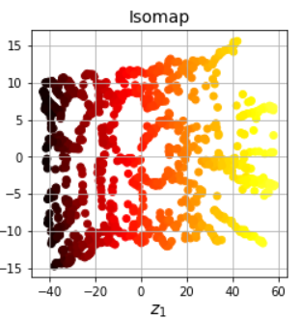
 | sklearn.manifold.LocallyLinearEmbedding() | sklearn.manifold.LocallyLinearEmbedding(*, n_neighbors=5, n_components=2, reg=0.001, eigen_solver='auto', tol=1e-06, max_iter=100, method='standard', hessian_tol=0.0001, modified_tol=1e-12, neighbors_algorithm='auto', random_state=None, n_jobs=None) | Locally Linear Embedding (LLE) | LocallyLinearEmbedding — scikit-learn 1.8.dev0 documentation | from sklearn.manifold import LocallyLinearEmbedding X_swiss, t = make_swiss_roll(n_samples=1000, noise=0.2, random_state=42) lle = LocallyLinearEmbedding(n_components=2, n_neighbors=10, random_state=42) X_unrolled = lle.fit_transform(X_swiss) plt.scatter(X_unrolled[:, 0], X_unrolled[:, 1], c=t, cmap=darker_hot) plt.xlabel("$z_1$") plt.ylabel("$z_2$", rotation=0) plt.axis([-0.055, 0.060, -0.070, 0.090]) plt.grid(True) | HandsOn_Scikit_Keras_Tensorflow pg254 | 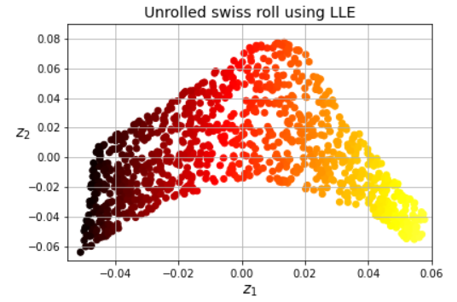
 | sklearn.manifold.MDS() | sklearn.manifold.MDS(n_components=2, *, metric=True, n_init='warn', max_iter=300, verbose=0, eps=1e-06, n_jobs=None, random_state=None, dissimilarity='euclidean', normalized_stress='auto') | Multidimensional scaling. | MDS — scikit-learn 1.8.dev0 documentation | from sklearn.manifold import MDS mds = MDS(n_components=2, normalized_stress=False, random_state=42) X_reduced_mds = mds.fit_transform(X_swiss) | HandsOn_Scikit_Keras_Tensorflow pg256 | 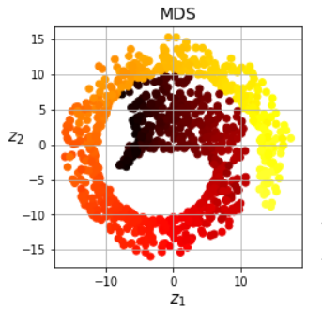
 | sklearn.manifold.TSNE() | sklearn.manifold.TSNE(n_components=2, *, perplexity=30.0, early_exaggeration=12.0, learning_rate='auto', max_iter=None, n_iter_without_progress=300, min_grad_norm=1e-07, metric='euclidean', metric_params=None, init='pca', verbose=0, random_state=None, method='barnes_hut', angle=0.5, n_jobs=None, n_iter='deprecated') | T-distributed Stochastic Neighbor Embedding. t-SNE [1] is a tool to visualize high-dimensional data. It converts similarities between data points to joint probabilities and tries to minimize the Kullback-Leibler divergence between the joint probabilities of the low-dimensional embedding and the high-dimensional data. t-SNE has a cost function that is not convex, i.e. with different initializations we can get different results. It is highly recommended to use another dimensionality reduction method (e.g. PCA for dense data or TruncatedSVD for sparse data) to reduce the number of dimensions to a reasonable amount (e.g. 50) if the number of features is very high. This will suppress some noise and speed up the computation of pairwise distances between samples. | TSNE — scikit-learn 1.7.dev0 documentation | tsne = TSNE(n_components=2, random_state=8) X_reduced = tsne.fit_transform(X) ------------------------------------------------------ perplexity = [2,5,10,20,30,50,100,200] plt.figure(figsize=(20,10)) print("Visualizing the lower dimensional representation of data for different values of perplexity") for i in range(len(perplexity)): tsne = TSNE(n_components=2, perplexity=perplexity[i], n_jobs=-2, random_state=42) # n_jobs specifies the number of parallel jobs to run # -2 means using all processors except one X_red = tsne.fit_transform(X) red_data_df = pd.DataFrame(data = X_red, columns = ['Component 1', 'Component 2']) plt.subplot(2,int(len(perplexity)/2),i+1) plt.xlabel('Component 1',fontsize=10) plt.ylabel('Component 2',fontsize=10) plt.title("perplexity="+str(perplexity[i])) plt.scatter(red_data_df.loc[:, 'Component 1'], red_data_df.loc[:, 'Component 2'])#, plt.legend(perplexity,prop={'size': 10}) plt.tight_layout(pad=2) | GL_Unsupervised_Wk2_TSNE GL_Unsupervised_Wk2_Tourism
 | sklearn.manifold.TSNE().fit_transform() | fit_transform(X, y=None) | Fit X into an embedded space and return that transformed output. | TSNE — scikit-learn 1.7.dev0 documentation | from sklearn.manifold import TSNE tsne = TSNE(n_components=2, random_state=8) X_reduced = tsne.fit_transform(X) | GL_Unsupervised_Wk2_TSNE
 | sklearn.manifold.TSNE().fit_transform() Continued |  |  |  | from sklearn.manifold import TSNE X_std = StandardScaler().fit_transform(X) ts=TSNE() X_tsne = ts.fit_transform(X_std) fig, ax = plt.subplots(figsize=(6,4)) colors = ["rg"[j] for j in y] scat = ax.scatter(X_tsne[:,0], X_tsne[:,1], c=colors, alpha=0.5) ax.set_xlabel("Embedding 1") ax.set_ylabel("Embedding 2") --------------------------------- fig, axes = plt.subplots(2,2, figsize=(6,4)) axes = axes.reshape(4) for i, n in enumerate([2, 30, 50, 100]): ax=axes[i] t = TSNE(random_state=42, perplexity=n) X_tsne = t.fit_transform(X) pd.DataFrame(X_tsne).plot(kind="scatter", x=0, y=1, ax=ax, c=y,cmap="Spectral", alpha=0.5) ax.set_title(f"perplexity={n}") plt.tight_layout() | Machine_Learning_Pocket_Ref pg 264-7

Metrics
Type | Name | Arguments | Description | URL | Examples | Reference
Modules |  |  |  |  |  | GL_Supervised_Wk1_Notebook GL_Classification_Wk1_HandsOn

Metrics | sklearn.metrics.accuracy_score() | sklearn.metrics.accuracy_score(y_true, y_pred, *, normalize=True, sample_weight=None) | Accuracy classification score. In multilabel classification, this function computes subset accuracy: the set of labels predicted for a sample must exactly match the corresponding set of labels in y_true. | accuracy_score — scikit-learn 1.6.0 documentation | # To compute accuracy acc = accuracy_score(target, pred) | GL_Classification_Wk1_IncomeGroup
 | sklearn.metrics.average_precision_score() | sklearn.metrics.average_precision_score(y_true, y_score, *, average='macro', pos_label=1, sample_weight=None) | Compute average precision (AP) from prediction scores. AP summarizes a precision-recall curve as the weighted mean of precisions achieved at each threshold, with the increase in recall from the previous threshold used as the weight: where Pn and Rn are the precision and recall at the nth threshold [1]. This implementation is not interpolated and is different from computing the area under the precision-recall curve with the trapezoidal rule, which uses linear interpolation and can be too optimistic. | average_precision_score — scikit-learn 1.6.1 documentation | from sklearn.metrics import average_precision_score y_predict = dt.predict(X_test) average_precision_score(y_test, y_predict) | Machine_Learning_Pocket_Ref_pg167
 | sklearn.metrics.calinski_harabasz_score() | sklearn.metrics.calinski_harabasz_score(X, labels) | Compute the Calinski and Harabasz score. It is also known as the Variance Ratio Criterion. The score is defined as ratio of the sum of between-cluster dispersion and of within-cluster dispersion. | calinski_harabasz_score — scikit-learn 1.6.1 documentation | from sklearn import metrics inertias = [] sils = [] chs = [] dbs = [] sizes= range(2,12) for k in sizes: k2 = KMeans(random_state = 42, n_clusters=k) k2.fit(X_std) inertias.append(k2.inertia_) sils.append( metrics.silhouette_score(X_std, k2.labels_)) chs.append( metrics.calinski_harabasz_score(X_std, k2.labels_)) dbs.append( metrics.davies_bouldin_score(X_std, k2.labels_)) fig, ax = plt.subplots(figsize=(6,4)) (pd.DataFrame({"inertia": inertias, "silhouettte": sils, "calinski":chs, "davis": dbs, "k": sizes}) .set_index("k") .plot(ax=ax, subplots=True, layout=(2,2)) ) | Machine_Learnin_Pocket_Red pg277-8
 | sklearn.metrics.classification_report() | sklearn.metrics.classification_report(y_true, y_pred, *, labels=None, target_names=None, sample_weight=None, digits=2, output_dict=False, zero_division='warn') | Build a text report showing the main classification metrics. | classification_report — scikit-learn 1.7.dev0 documentation | print(metrics.classification_report(y_test, predicted, labels=[1,2,3,4,5])) | GL_Ensemble_Wk2_Wine Python_for_Data_Science pg205
 | sklearn.metrics.ConfusionMatrixDisplay() | sklearn.metrics.ConfusionMatrixDisplay(confusion_matrix, *, display_labels=None) | Confusion Matrix visualization. It is recommend to use from_estimator or from_predictions to create a ConfusionMatrixDisplay. All parameters are stored as attributes. | ConfusionMatrixDisplay — scikit-learn 1.6.0 documentation | # Using sklearn to build a confusion matrix plot from sklearn.metrics import ConfusionMatrixDisplay y_pred = rf5.predict(X_test) ConfusionMatrixDisplay.from_predictions(y_test, y_pred, display_labels=mapping) plt.show() ------------------------------------------------ y_train_pred = cross_val_predict(sgd_clf, X_train_scaled, y_train, cv=3) plt.rc('font', size=9) # To make the test smaller ConfusionMatrixDisplay.from_predictions(y_train, y_train_pred) plt.grid(False) plt.show() | Machine_Learning_Pocket_Ref pg35 Hands_On_Scikit_Keras_Tensorflow pg123 | 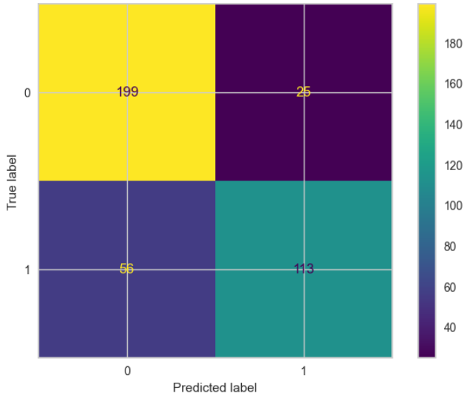 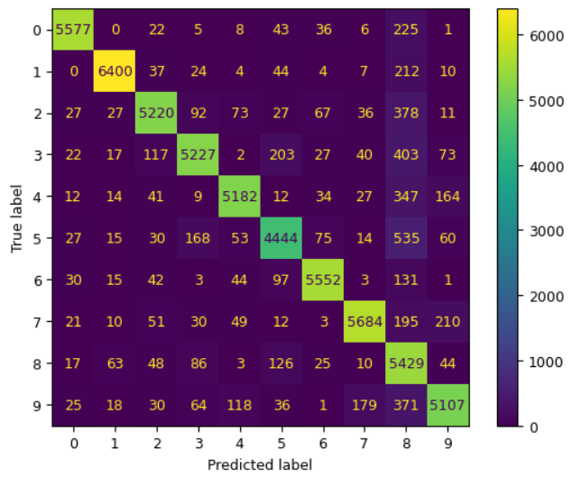
 | sklearn.metrics.confusion_matrix() | sklearn.metrics.confusion_matrix(y_true, y_pred, *, labels=None, sample_weight=None, normalize=None) | Compute confusion matrix to evaluate the accuracy of a classification. Creates a 2x2 dataframe. By definition a confusion matrix C is such that Ci,j is equal to the number of observations known to be in group i and predicted to be in group j. Thus in binary classification, the count of true negatives is C0,0, false negatives is C1,0, true positives is C1,1 and false positives is C0,1. | confusion_matrix — scikit-learn 1.6.0 documentation | cm = confusion_matrix(target, y_pred) ------------------------------------------------------ # create confusion matrix of the past prediction vs past actuals print(confusion_matrix(prediction, actual)) precision = conf_mat[0][0]/(conf_mat[0][0]+conf_mat[0][1]) recall = conf_mat[0][0]/(conf_mat[0][0]+conf_mat[1][0]) ----------------------------------------------------- cm = confusion_matrix(y_train_5, y_train_pred) sns.heatmap(cm, annot=True) # added this to build the visual for the confusion matrix ---------------------------------------------------- # calculate precision_score using the confusion_matrix (cm) numpy array cm[1,1] / (cm[1,1] + cm[0,1]) # calculate recall_score using the confusion_matrix (cm) numpy array cm[1,1] / (cm[1,1]+cm[1,0]) # calculate f1_score using the confusion_matrix (cm) numpy array cm[1,1] / (cm[1,1] + ((cm[1,0] + cm[0,1]) / 2)) | GL_Classification_Wk1_IncomeGroup Dive_into_Data_Science pg109 Hands_On_Scitkit_Keras_Tensorflow pg109, 110, 111 | array([[53892, 687], [ 1891, 3530]])
 | sklearn.metrics.davies_bouldin_score() | sklearn.metrics.davies_bouldin_score(X, labels) | Compute the Davies-Bouldin score. The score is defined as the average similarity measure of each cluster with its most similar cluster, where similarity is the ratio of within-cluster distances to between-cluster distances. Thus, clusters which are farther apart and less dispersed will result in a better score. The minimum score is zero, with lower values indicating better clustering. | davies_bouldin_score — scikit-learn 1.6.1 documentation | from sklearn import metrics inertias = [] sils = [] chs = [] dbs = [] sizes= range(2,12) for k in sizes: k2 = KMeans(random_state = 42, n_clusters=k) k2.fit(X_std) inertias.append(k2.inertia_) sils.append( metrics.silhouette_score(X_std, k2.labels_)) chs.append( metrics.calinski_harabasz_score(X_std, k2.labels_)) dbs.append( metrics.davies_bouldin_score(X_std, k2.labels_)) fig, ax = plt.subplots(figsize=(6,4)) (pd.DataFrame({"inertia": inertias, "silhouettte": sils, "calinski":chs, "davis": dbs, "k": sizes}) .set_index("k") .plot(ax=ax, subplots=True, layout=(2,2)) ) | Machine_Learnin_Pocket_Red pg277-8
 | sklearn.metrics.explained_variance_score() | sklearn.metrics.explained_variance_score(y_true, y_pred, *, sample_weight=None, multioutput='uniform_average', force_finite=True) | Explained variance regression score function. Best possible score is 1.0, lower values are worse. | explained_variance_score — scikit-learn 1.6.1 documentation | metrics.explained_variance_score(bos_y_test, bos_y_test_pred) | Machine_Learning_Pocket_Ref pg224
 | sklearn.metrics.f1_score() | sklearn.metrics.f1_score(y_true, y_pred, *, labels=None, pos_label=1, average='binary', sample_weight=None, zero_division='warn') | Compute the F1 score, also known as balanced F-score or F-measure. The F1 score can be interpreted as a harmonic mean of the precision and recall, where an F1 score reaches its best value at 1 and worst score at 0. The relative contribution of precision and recall to the F1 score are equal. The formula for the F1 score is: Where TP is the number of true positives, FN is the number of false negatives, and FP is the number of false positives. F1 is by default calculated as 0.0 when there are no true positives, false negatives, or false positives. | f1_score — scikit-learn 1.6.0 documentation | # To compute the F-1 score f1 = f1_score(target, pred) | GL_Classification_Wk1_IncomeGroup
 | sklearn.metrics.log_loss()
 | sklearn.metrics.make_scorer() | sklearn.metrics.make_scorer(score_func, *, response_method='default', greater_is_better=True, **kwargs) | Make a scorer from a performance metric or loss function. A scorer is a wrapper around an arbitrary metric or loss function that is called with the signature scorer(estimator, X, y_true, **kwargs). It is accepted in all scikit-learn estimators or functions allowing a scoring parameter. The parameter response_method allows to specify which method of the estimator should be used to feed the scoring/loss function. | make_scorer — scikit-learn 1.6.0 documentation | # Type of scoring used to compare parameter combinations acc_scorer = metrics.make_scorer(metrics.recall_score) | GL_Ensemble_Wk1_HandsOn
 | sklearn.metrics.mean_absolute_error() | sklearn.metrics.mean_absolute_error(y_true, y_pred, *, sample_weight=None, multioutput='uniform_average') | Mean absolute error regression loss. | mean_absolute_error — scikit-learn 1.6.0 documentation | mae1 = mean_absolute_error(y_train, df_pred['Fitted Values']) mae1 ----------------------------------------------------------- metrics.mean_absolute_error(bos_y_test, bos_y_test_pred) | GL_Supervised_Wk1_Linear_Regression Machine_Learning_Pocket_Ref pg225
 | sklearn.metrics.mean_squared_error() | sklearn.metrics.mean_squared_error(y_true, y_pred, *, sample_weight=None, multioutput='uniform_average', squared='deprecated') | Mean squared error regression loss | mean_squared_error — scikit-learn 1.5.2 documentation | print( "The Mean Square Error (MSE) of the model for the training set is ", mean_squared_error(y_train, model.predict(X_train)),) # To calculate the root mean square error (rmse) print( "The Root Mean Square Error (RMSE) of the model for the training set is ", np.sqrt(mean_squared_error(y_train, model.predict(X_train))),) -------------------------------------------------------------------------- metrics.mean_squared_error(bos_y_test, bos_y_test_pred) | GL_Supervised_Wk1_Question Machine_Learning_Pocket_Ref pg225
 | sklearn.metrics.mean_squared_log_error() | sklearn.metrics.root_mean_squared_log_error(y_true, y_pred, *, sample_weight=None, multioutput='uniform_average') | Root mean squared logarithmic error regression loss. | root_mean_squared_log_error — scikit-learn 1.6.1 documentation | metrics.mean_squared_log_error(bos_y_test, bos_y_test_pred) | Machine_Learning_Pocket_Ref pg226
 | sklearn.metrics.pariwise.rbf_kernel() | sklearn.metrics.pairwise.rbf_kernel(X, Y=None, gamma=None) | Compute the rbf (gaussian) kernel between X and Y. Helps in transforming mutlimodal distributions of a feature. Can be used to create a new Gaussian RBF feature measuring the similarity between a feature's median and one of the modal peaks in the distribution | rbf_kernel — scikit-learn 1.6.1 documentation | from sklearn.metrics.pairwise import rbf_kernel age_simil_35 = rbf_kernel(housing[['housing_median_age']],[[35]], gamma=0.1) age_simil_35[:10].round(4) | Hands_On_Scikit_Keras_Tensorflow pg78
 | sklearn.metrics.precision_score() | sklearn.metrics.precision_score(y_true, y_pred, *, labels=None, pos_label=1, average='binary', sample_weight=None, zero_division='warn' | Compute the precision. The precision is the ratio tp / (tp + fp) where tp is the number of true positives and fp the number of false positives. The precision is intuitively the ability of the classifier not to label as positive a sample that is negative. The best value is 1 and the worst value is 0. | precision_score — scikit-learn 1.6.0 documentation | # To compute precision precision = precision_score(target, pred) ------------------------------------ print(precision_score(testy, predicted)) | GL_Classification_Wk1_IncomeGroup Dive_into_Data_Science pg138
 | sklearn.metrics.precision_recall_curve() | sklearn.metrics.precision_recall_curve(y_true, y_score=None, *, pos_label=None, sample_weight=None, drop_intermediate=False, probas_pred='deprecated') | Compute precision-recall pairs for different probability thresholds. Note: this implementation is restricted to the binary classification task. The precision is the ratio tp / (tp + fp) where tp is the number of true positives and fp the number of false positives. The precision is intuitively the ability of the classifier not to label as positive a sample that is negative. The recall is the ratio tp / (tp + fn) where tp is the number of true positives and fn the number of false negatives. The recall is intuitively the ability of the classifier to find all the positive samples. The last precision and recall values are 1. and 0. respectively and do not have a corresponding threshold. This ensures that the graph starts on the y axis. The first precision and recall values are precision=class balance and recall=1.0 which corresponds to a classifier that always predicts the positive class. | precision_recall_curve — scikit-learn 1.6.0 documentation | # y_train_5 is the actual target values # y_scores is the predict target decision scores # get the precision and recall values for all possible and thresholds y_scores precisions, recalls, thresholds = precision_recall_curve(y_train_5, y_scores) | Hands_On_Scikit_Keras_Tensorflow pg113
 | sklearn.metrics.precision_recall_fscore_support() | sklearn.metrics.precision_recall_fscore_support(y_true, y_pred, *, beta=1.0, labels=None, pos_label=1, average=None, warn_for=('precision', 'recall', 'f-score'), sample_weight=None, zero_division='warn') | Compute precision, recall, F-measure and support for each class. The precision is the ratio tp / (tp + fp) where tp is the number of true positives and fp the number of false positives. The precision is intuitively the ability of the classifier not to label a negative sample as positive. The recall is the ratio tp / (tp + fn) where tp is the number of true positives and fn the number of false negatives. The recall is intuitively the ability of the classifier to find all the positive samples. The F-beta score can be interpreted as a weighted harmonic mean of the precision and recall, where an F-beta score reaches its best value at 1 and worst score at 0. The F-beta score weights recall more than precision by a factor of beta. beta == 1.0 means recall and precision are equally important. The support is the number of occurrences of each class in y_true. | precision_recall_fscore_support — scikit-learn 1.6.1 documentation | precision_recall_fscore_support( y, logit_reg.predict(X), labels=["default","paid off"]) | Practical_Statistics pg224
 | sklearn.metrics.r2_score() | sklearn.metrics.r2_score(y_true, y_pred, *, sample_weight=None, multioutput='uniform_average', force_finite=True)[source] | R-squared - (coefficient of determination) regression score function. | r2_score — scikit-learn 1.6.1 documentation | metrics.r2_score(bos_y_test, bos_y_test_pred) | Machine_Learning_Pocket_Ref pg224
 | sklearn.metrics.recall_score() | sklearn.metrics.recall_score(y_true, y_pred, *, labels=None, pos_label=1, average='binary', sample_weight=None, zero_division='warn') | ompute the recall. The recall is the ratio tp / (tp + fn) where tp is the number of true positives and fn the number of false negatives. The recall is intuitively the ability of the classifier to find all the positive samples. The best value is 1 and the worst value is 0. | recall_score — scikit-learn 1.6.0 documentation | # To compute recall recall = recall_score(target, pred) ----------------------------------------- print(recall_score(testy, predicted)) | GL_Classification_Wk1_IncomeGroup Dive_into_Data_Science pg138
 | sklearn.metrics.roc_auc_score() | sklearn.metrics.roc_auc_score(y_true, y_score, *, average='macro', sample_weight=None, max_fpr=None, multi_class='raise', labels=None) | Compute Area Under the Receiver Operating Characteristic Curve (ROC AUC) from prediction scores. Note: this implementation can be used with binary, multiclass and multilabel classification, but some restrictions apply (see Parameters). | roc_auc_score — scikit-learn 1.6.0 documentation | logit_roc_auc_train = roc_auc_score(y_train, lg3.predict(X_train3)) ----------------------------------------------- from sklearn.metrics import roc_auc_score y_predict = dt.predict(X_test) roc_auc_score(y_test, y_predict) | GL_Classification_Wk1_IncomeGroup Machine_Learning_Pocket_Ref pg166
 | sklearn.metrics.roc_curve() | sklearn.metrics.roc_curve(y_true, y_score, *, pos_label=None, sample_weight=None, drop_intermediate=True) | Compute Receiver operating characteristic (ROC). Note: this implementation is restricted to the binary classification task. | roc_curve — scikit-learn 1.6.0 documentation | fpr, tpr, thresholds = roc_curve(y_train, lg3.predict(X_train3)) --------------------------------------------------------------- fpr, tpr, thresholds = roc_curve(y, logit_reg.predict_proba(X)[:,0], pos_label = "default") roc_df = pd.DataFrame({"recall": tpr, "specificity": 1-fpr}) ax = roc_df.plot(x="specificity", y="recall", figsize=(4,4), legend=False) ax.set_ylim(0,1) ax.set_xlim(1,0) ax.plot((1,0),(0,1)) ax.set_xlabel("specificity") ax.set_ylabel("recall") plt.tight_layout() plt.show() | GL_Classification_Wk1_IncomeGroup Practical_Statistics pg225 | 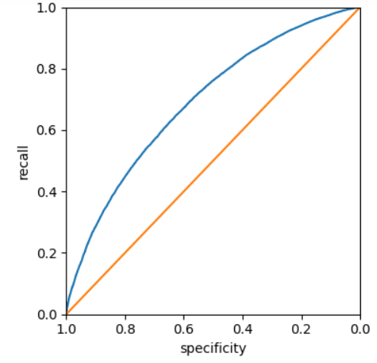
 | sklearn.metrics.root_mean_squared_error() | sklearn.metrics.root_mean_squared_error(y_true, y_pred, *, sample_weight=None, multioutput='uniform_average') | Root mean squared error regression loss. | root_mean_squared_error — scikit-learn 1.6.1 documentation | from sklearn.metrics import mean_squared_error # calculate rmse using the root mean_square_error function lin_rmse = root_mean_squared_error(housing_labels, housing_predictions) lin_rmse | Hands_On_Scikit_Keras_Tensorflow pg89
 | sklearn.metrics.silhouette_score() | sklearn.metrics.silhouette_score(X, labels, *, metric='euclidean', sample_size=None, random_state=None, **kwds) | Compute the mean Silhouette Coefficient of all samples. The Silhouette Coefficient is calculated using the mean intra-cluster distance (a) and the mean nearest-cluster distance (b) for each sample. The Silhouette Coefficient for a sample is (b - a) / max(a, b). To clarify, b is the distance between a sample and the nearest cluster that the sample is not a part of. Note that Silhouette Coefficient is only defined if number of labels is 2 <= n_labels <= n_samples - 1. This function returns the mean Silhouette Coefficient over all samples. To obtain the values for each sample, use silhouette_samples. The best value is 1 and the worst value is -1. Values near 0 indicate overlapping clusters. Negative values generally indicate that a sample has been assigned to the wrong cluster, as a different cluster is more similar. | silhouette_score — scikit-learn 1.7.dev0 documentation | sil_score = [] cluster_list = list(range(2, 10)) for n_clusters in cluster_list: clusterer = KMeans(n_clusters=n_clusters) preds = clusterer.fit_predict((subset_scaled_df)) # centers = clusterer.cluster_centers_ score = silhouette_score(subset_scaled_df, preds) sil_score.append(score) print("For n_clusters = {}, silhouette score is {}".format(n_clusters, score)) plt.plot(cluster_list, sil_score) | GL_Unsupervied_Wk1_Engineering

Mixture
Type | Name | Arguments | Description | URL | Examples | Reference
Modules |  |  |  |  |  | GL_Supervised_Wk1_Notebook GL_Classification_Wk1_HandsOn

Mixture
 | sklearn.mixture.GaussianMixture() | sklearn.mixture.GaussianMixture(n_components=1, *, covariance_type='full', tol=0.001, reg_covar=1e-06, max_iter=100, n_init=1, init_params='kmeans', weights_init=None, means_init=None, precisions_init=None, random_state=None, warm_start=False, verbose=0, verbose_interval=10) | Gaussian Mixture. Representation of a Gaussian mixture model probability distribution. This class allows to estimate the parameters of a Gaussian mixture distribution. | GaussianMixture — scikit-learn 1.7.dev0 documentation | df = sp500_px.loc[sp500_px.index >= '2011-01-01', ['XOM','CVX']] mclust = GaussianMixture(n_components=2).fit(df) print(mclust.bic(df)) | Practical_Statistics pg 313
 | sklearn.mixture.GaussianMixture().bic() | bic(X) | Bayesian information criterion for the current model on the input X. | GaussianMixture — scikit-learn 1.7.dev0 documentation | results = [] covariance_types = ["full","tied","diag","spherical"] for n_components in range(1,9): for covariance_type in covariance_types: mclust = GaussianMixture( n_components = n_components, warm_start=True, covariance_type = covariance_type) mclust.fit(df) results.append({ "bic":mclust.bic(df), "n_components":n_components, "covariance_type": covariance_type }) results = pd.DataFrame(results) colors = ['C0', 'C1', 'C2', 'C3'] styles = ['C0-','C1:','C0-.', 'C1--'] fig, ax = plt.subplots(figsize=(4, 4)) for i, covariance_type in enumerate(covariance_types): subset = results.loc[results.covariance_type == covariance_type, :] subset.plot(x='n_components', y='bic', ax=ax, label=covariance_type, kind='line', style=styles[i], color=colors[i]) plt.tight_layout() plt.show() | Practical_Statistics pg 316-7 | 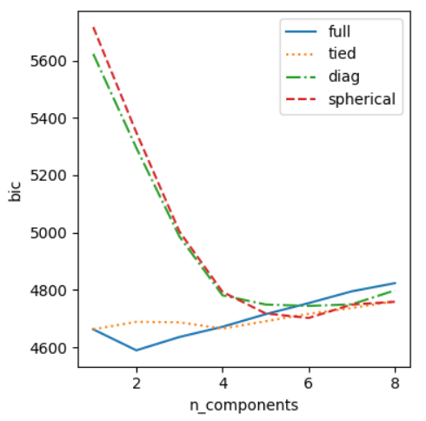
 | sklearn.mixture.GaussianMixture().covariance_ | sklearn.mixture.GaussianMixture().covariance_ | The covariance of each mixture component. The shape depends on covariance_type: (n_components,) if 'spherical', (n_features, n_features) if 'tied', (n_components, n_features) if 'diag', (n_components, n_features, n_features) if 'full' | GaussianMixture — scikit-learn 1.7.dev0 documentation | print('Covariances') print(mclust.covariances_) | Practical_Statistics pg 313
 | sklearn.mixture.GaussianMixture().fit() | fit(X, y=None) | Estimate model parameters with the EM algorithm. The method fits the model n_init times and sets the parameters with which the model has the largest likelihood or lower bound. Within each trial, the method iterates between E-step and M-step for max_iter times until the change of likelihood or lower bound is less than tol, otherwise, a ConvergenceWarning is raised. If warm_start is True, then n_init is ignored and a single initialization is performed upon the first call. Upon consecutive calls, training starts where it left off. | GaussianMixture — scikit-learn 1.7.dev0 documentation | df = sp500_px.loc[sp500_px.index >= '2011-01-01', ['XOM', 'CVX']] mclust = GaussianMixture(n_components=2).fit(df) | Practical_Statistics pg 313
 | sklearn.mixture.GaussianMixture().means_ | sklearn.mixture.GaussianMixture().means_ | The mean of each mixture component. | GaussianMixture — scikit-learn 1.7.dev0 documentation | print('Mean') print(mclust.means_) | Practical_Statistics pg 313
 | sklearn.mixture.GaussianMixture().predict() | predict(X) | Predict the labels for the data samples in X using trained model. | GaussianMixture — scikit-learn 1.7.dev0 documentation | df = sp500_px.loc[sp500_px.index >= '2011-01-01', ['XOM', 'CVX']] mclust = GaussianMixture(n_components=2).fit(df) fig, ax = plt.subplots(figsize=(4,4)) colors = [f"C{c}" for c in mclust.predict(df)] df.plot.scatter(x='XOM', y='CVX', c=colors, alpha=0.5, ax=ax) ax.set_xlim(-3, 3) ax.set_ylim(-3, 3) plt.tight_layout() plt.show() | Practical_Statistics pg 313 | 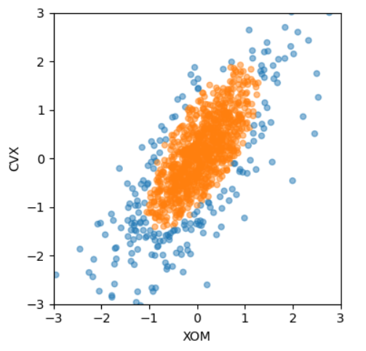

Model_Selection
Type | Name | Arguments | Description | URL | Examples | Reference
Modules |  |  |  |  |  | GL_Supervised_Wk1_Notebook GL_Classification_Wk1_HandsOn

Model_Selection | sklearn.model_selection.cross_val_predict() | sklearn.model_selection.cross_val_predict(estimator, X, y=None, *, groups=None, cv=None, n_jobs=None, verbose=0, params=None, pre_dispatch='2*n_jobs', method='predict') | Generate cross-validated estimates for each input data point. The data is split according to the cv parameter. Each sample belongs to exactly one test set, and its prediction is computed with an estimator fitted on the corresponding training set. | cross_val_predict — scikit-learn 1.7.dev0 documentation | from sklearn.model_selection import cross_val_predict y_train_pred = cross_val_predict(sgd_clf, X_train, y_train_5, cv=3) cm = confusion_matrix(y_train_5, y_train_pred) ------------------------------------------------------------ # returns all the decision scores of the all rows in the training set # decision score is what is used to predict the True/False of the target y_scores = cross_val_predict(sgd_clf, X_train, y_train_5, # this is the target cv=3, method='decision_function') ------------------------------------------------------------- forest_clf = RandomForestClassifier(random_state=42) y_probas_forest = cross_val_predict(forest_clf, X_train, y_train_5, cv=3, method='predict_proba') idx_50_to_60 = (y_probas_forest[:,1] > 0.5) & (y_probas_forest[:,1] < 0.6) print(f"{(y_train_5[idx_50_to_60]).sum() / idx_50_to_60.sum():.1%}") -------------------------------------------------------------------- y_train_knn_pred = cross_val_predict(knn_clf, X_train, y_multilabel, cv=3) f1_score(y_multilabel, y_train_knn_pred, average='macro') | Hands_On_Scikit_Keras_Tensorflow pg109, 113, 117, 126
 | sklearn.model_selection.cross_val_score() | sklearn.model_selection.cross_val_score(estimator, X, y=None, *, groups=None, scoring=None, cv=None, n_jobs=None, verbose=0, params=None, pre_dispatch='2*n_jobs', error_score=nan) | Evaluate a score by cross-validation. Can be used as an alternative to the train_test_split() function. | cross_val_score — scikit-learn 1.7.dev0 documentation | for name, model in models: scoring = "recall" kfold = StratifiedKFold(n_splits=5, shuffle=True, random_state=1) # Setting number of splits equal to 5 cv_result = cross_val_score(estimator=model, X=X_train, y=y_train, scoring=scoring, cv=kfold ))) ----------------------------------------------- # Cross validation with decision tree regression tree_rmses = -cross_val_score(tree_reg, housing, # This is X housing_labels, # This is y scoring='neg_root_mean_squared_error',cv=10) --------------------------------------------- # Cross validation with linear regression lin_rmses = -cross_val_score(lin_reg,housing, housing_labels, scoring='neg_root_mean_squared_error',cv=10) ---------------------------------------------- # random forest regressor forest_reg = make_pipeline(preprocessing, RandomForestRegressor(random_state=42)) forest_rmses = -cross_val_score(forest_reg, housing,housing_labels,scoring = 'neg_root_mean_squared_error', cv=10) forest_reg.fit(housing, housing_labels) housing_predictions = forest_reg.predict(housing) forest_rmse = root_mean_squared_error(housing_labels,housing_predictions) | Gl_Hypertuning_Wk2_Additional_Case Hands_On_Scikit_Keras_Tensorflow pg90, 91, 107, 121
 | sklearn.model_selection.cross_validate() | sklearn.model_selection.cross_validate(estimator, X, y=None, *, groups=None, scoring=None, cv=None, n_jobs=None, verbose=0, params=None, pre_dispatch='2*n_jobs', return_train_score=False, return_estimator=False, return_indices=False, error_score=nan) | Evaluate metric(s) by cross-validation and also record fit/score times. | cross_validate — scikit-learn 1.7.dev0 documentation | # CV = Auto.shape[0] causes this to perform # leave-one-out-cross-validation (LOOCV) # In instead it was CV = 5, this would perform a # K-fold (5) cross validation hp_model = sklearn_sm(sm.OLS, MS(['horsepower'])) X, Y = Auto.drop(columns=['mpg']), Auto['mpg'] cv_results = cross_validate(hp_model, X, Y, cv=Auto.shape[0]) cv_err = np.mean(cv_results['test_score']) cv_err | ISLP pg218
 | sklearn.model_selection.GridSearchCV() | sklearn.model_selection.GridSearchCV(estimator, param_grid, *, scoring=None, n_jobs=None, refit=True, cv=None, verbose=0, pre_dispatch='2*n_jobs', error_score=nan, return_train_score=False) | Exhaustive search over specified parameter values for an estimator. Important members are fit, predict. GridSearchCV implements a “fit” and a “score” method. It also implements “score_samples”, “predict”, “predict_proba”, “decision_function”, “transform” and “inverse_transform” if they are implemented in the estimator used. The parameters of the estimator used to apply these methods are optimized by cross-validated grid-search over a parameter grid. | GridSearchCV — scikit-learn 1.7.dev0 documentation | # Choose the type of classifier. estimator = DecisionTreeClassifier(random_state=1) # Grid of parameters to choose from parameters = { "max_depth": [np.arange(2,10,5), None], "criterion": ["entropy", "gini"], "splitter": ["best","random"], "min_impurity_decrease": [0.000001, 0.00001, 0.0001]} # Type of scoring used to compare parameter combinations acc_scorer = make_scorer(recall_score) # Run the grid search grid_obj = GridSearchCV(estimator, parameters, scoring=acc_scorer, cv=5) grid_obj = grid_obj.fit(X_train, y_train) ------------------------------------------ # Calling GridSearchCV grid_cv = GridSearchCV(estimator=model, param_grid=param_grid, scoring=scorer, cv=5, n_jobs = -1) | GL_Classification_Wk2_Loan_Delinquent GL_Hypertuning_Wk2_Supermarket
 | sklearn.model_selection.GridSearchCV().cv_results_ | sklearn.model_selection.GridSearchCV().cv_results_ | A dict with keys as column headers and values as columns, that can be imported into a pandas DataFrame. | GridSearchCV — scikit-learn 1.7.dev0 documentation | cv_res = pd.DataFrame(grid_search.cv_results_) cv_res.sort_values(by='mean_test_score', ascending=False, inplace=True) cv_res = cv_res[["param_preprocessing__geo__n_clusters", # looks for estimator 'preprocessing' in the pipeline and finds the ColumnTransformer # then looks for the transformer 'geo' in the ColumnTransformer and finds the ClusterSimilarity # then looks for the hyperparameter n_clusters "param_random_forest__max_features", "split0_test_score", "split1_test_score", "split2_test_score", "mean_test_score"]] score_cols = ["split0", "split1", "split2", "mean_test_rmse"] cv_res.columns = ["n_clusters", "max_features"] + score_cols cv_res[score_cols] = -cv_res[score_cols].round().astype(np.int64) | Hands_On_Scitkit_Keras_Tensorflow pg93 | 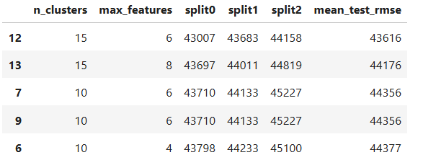
 | sklearn.model_selection.GridSearchCV().fit() | fit(X, y=None, **params) | Run fit with all sets of parameters. | GridSearchCV — scikit-learn 1.7.dev0 documentation | grid_obj = grid_obj.fit(X_train, y_train) ----------------------------------------------- full_pipeline = Pipeline([("preprocessing", preprocessing), ("random_forest", RandomForestRegressor(random_state=42))]) param_grid = [{'preprocessing__geo__n_clusters':[5,8,10], 'random_forest__max_features':[4,6,8]}, {'preprocessing__geo__n_clusters':[10,15], 'random_forest__max_features':[6,8,10]}] grid_search = GridSearchCV(full_pipeline, param_grid, cv=3, scoring='neg_root_mean_squared_error') grid_search.fit(housing, housing_labels) | GL_Classification_Wk2_Loan_Delinquent GL_Ensemble_Wk1_HandsOn Hands_On_Scikit_Keras_Tensorflow pg92
 | sklearn.model_selection.GridSearchCV().best_estimator_ | sklearn.model_selection.GridSearchCV().best_estimator_ | Estimator that was chosen by the search, i.e. estimator which gave highest score (or smallest loss if specified) on the left out data. Not available if refit=False. | GridSearchCV — scikit-learn 1.7.dev0 documentation | bagging_estimator_tuned = grid_obj.best_estimator_ ---------------------------------- grid_search.best_estimator_ | GL_Classification_Wk2_Loan_Delinquent GL_Ensemble_Wk1_HandsOn Hands_On_Scikit_Keras_Tensorflow pg93
 | sklearn.model_selection.GridSearchCV().best_params_ | sklearn.model_selection.GridSearchCV().best_params_ | Parameter setting that gave the best results on the hold out data. For multi-metric evaluation, this is present only if refit is specified. | GridSearchCV — scikit-learn 1.7.dev0 documentation | grid_search.best_params_ | Hands_On_Scikit_Keras_Tensorflow pg93
 | sklearn.model_selection.GridSearchCV().best_score_ | sklearn.model_selection.GridSearchCV().best_score_ | Mean cross-validated score of the best_estimator | GridSearchCV — scikit-learn 1.7.dev0 documentation | print( "Best Parameters:{} \nScore: {}".format(grid_cv.best_params_, grid_cv.best_score_)) | Gl_Hypertuning_Wk2_Supermarket
 | sklearn.model_selection.HalvingRandomSearchCV() |  |  |  |  | Hands_On_Scikit_Keras_Tensorflow pg94
 | sklearn.model_selection.Kfold() | sklearn.model_selection.KFold(n_splits=5, *, shuffle=False, random_state=None) | K-Fold cross-validator. Provides train/test indices to split data in train/test sets. Split dataset into k consecutive folds (without shuffling by default). Each fold is then used once as a validation while the k - 1 remaining folds form the training set. | KFold — scikit-learn 1.7.dev0 documentation | cv = KFold(n_splits=10, shuffle=True, random_state=0) | ISLP pg219
 | sklearn.model_selection.Kfold().split() | split(X, y=None, groups=None) | Generate indices to split data into training and test set. | KFold — scikit-learn 1.7.dev0 documentation
 | sklearn.model_selection.learning_curve() | sklearn.model_selection.learning_curve(estimator, X, y, *, groups=None, train_sizes=array([0.1, 0.33, 0.55, 0.78, 1.]), cv=None, scoring=None, exploit_incremental_learning=False, n_jobs=None, pre_dispatch='all', verbose=0, shuffle=False, random_state=None, error_score=nan, return_times=False, fit_params=None, params=None) | Learning curve. Determines cross-validated training and test scores for different training set sizes. A cross-validation generator splits the whole dataset k times in training and test data. Subsets of the training set with varying sizes will be used to train the estimator and a score for each training subset size and the test set will be computed. Afterwards, the scores will be averaged over all k runs for each training subset size. estimatorobject type that implements the “fit” method An object of that type which is cloned for each validation. It must also implement “predict” unless scoring is a callable that doesn’t rely on “predict” to compute a score. | learning_curve — scikit-learn 1.8.dev0 documentation | from sklearn.model_selection import learning_curve train_sizes, train_scores, valid_scores = learning_curve( LinearRegression(), X, y, train_sizes=np.linspace(0.01, 1.0, 40), cv=5, scoring="neg_root_mean_squared_error") train_errors = -train_scores.mean(axis=1) valid_errors = -valid_scores.mean(axis=1) plt.figure(figsize=(6, 4)) plt.plot(train_sizes, train_errors, "r-+", linewidth=2, label="train") plt.plot(train_sizes, valid_errors, "b-", linewidth=3, label="valid") | 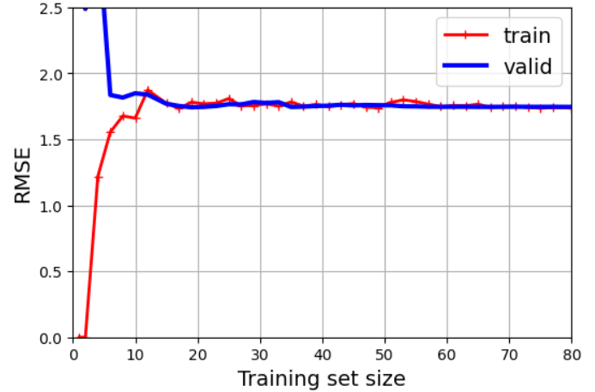 Hands_On_Scikit_Keras_Tensorflow pg153
 | sklearn.model_selection.RandomizedSearchCV() | sklearn.model_selection.RandomizedSearchCV(estimator, param_distributions, *, n_iter=10, scoring=None, n_jobs=None, refit=True, cv=None, verbose=0, pre_dispatch='2*n_jobs', random_state=None, error_score=nan, return_train_score=False) | Randomized search on hyper parameters. RandomizedSearchCV implements a “fit” and a “score” method. It also implements “score_samples”, “predict”, “predict_proba”, “decision_function”, “transform” and “inverse_transform” if they are implemented in the estimator used. The parameters of the estimator used to apply these methods are optimized by cross-validated search over parameter settings. In contrast to GridSearchCV, not all parameter values are tried out, but rather a fixed number of parameter settings is sampled from the specified distributions. The number of parameter settings that are tried is given by n_iter. If all parameters are presented as a list, sampling without replacement is performed. If at least one parameter is given as a distribution, sampling with replacement is used. It is highly recommended to use continuous distributions for continuous parameters. | RandomizedSearchCV — scikit-learn 1.7.dev0 documentation | # Calling RandomizedSearchCV randomized_cv = RandomizedSearchCV( estimator=model, param_distributions=param_grid, n_iter=20, scoring=scorer, cv=5, random_state=1) # Fitting parameters in RandomizedSearchCV randomized_cv.fit(X_train, y_train) --------------------------------------------------- #Calling RandomizedSearchCV randomized_cv = RandomizedSearchCV(estimator=model, param_distributions=param_grid, n_jobs = -1, n_iter=50, scoring=scorer, cv=5, random_state=1) | Gl_Hypertuning_Wk2_Additional_Case Gl_Hypertuning_Wk2_Supermarket
 | sklearn.model_selection.RandomizedSearchCV().best_params_ |  |  | RandomizedSearchCV — scikit-learn 1.7.dev0 documentation | # Fitting parameters in RandomizedSearchCV randomized_cv = RandomizedSearchCV(). randomized_cv.fit(X_train, y_train) print( "Best parameters are {} with CV score={}:".format( randomized_cv.best_params_, randomized_cv.best_score_ ) | Gl_Hypertuning_Wk2_Additional_Case
 | sklearn.model_selection.RandomizedSearchCV().best_score_ |  |  | RandomizedSearchCV — scikit-learn 1.7.dev0 documentation | # Fitting parameters in RandomizedSearchCV randomized_cv = RandomizedSearchCV(). randomized_cv.fit(X_train, y_train) print( "Best parameters are {} with CV score={}:".format( randomized_cv.best_params_, randomized_cv.best_score_ ) | Gl_Hypertuning_Wk2_Additional_Case
 | sklearn.model_selection.RandomizedSearchCV().cv_results_ | sklearn.model_selection.RandomizedSearchCV().cv_results_ | A dict with keys as column headers and values as columns, that can be imported into a pandas DataFrame. | RandomizedSearchCV — scikit-learn 1.7.dev0 documentation | # extra code – displays the random search results cv_res = pd.DataFrame(rnd_search.cv_results_) cv_res.sort_values(by="mean_test_score", ascending=False, inplace=True) cv_res = cv_res[["param_preprocessing__geo__n_clusters", "param_random_forest__max_features", "split0_test_score", "split1_test_score", "split2_test_score", "mean_test_score"]] cv_res.columns = ["n_clusters", "max_features"] + score_cols cv_res[score_cols] = -cv_res[score_cols].round().astype(np.int64) cv_res.head() | Hands_On_Scitkit_Keras_Tensorflow pg94 | 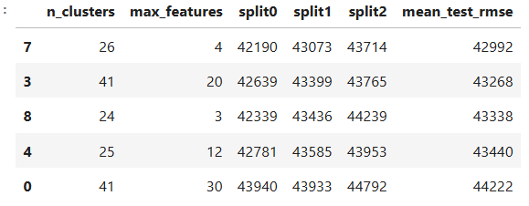
 | sklearn.model_selection.RandomizedSearchCV().feature_importances_ | sklearn.model_selection.RandomizedSearchCV().feature_importances_
 | sklearn.model_selection.RandomizedSearchCV().fit() |  |  | RandomizedSearchCV — scikit-learn 1.7.dev0 documentation | # Fitting parameters in RandomizedSearchCV randomized_cv = RandomizedSearchCV(). randomized_cv.fit(X_train, y_train) ------------------------------------------------ param_distribs = {'preprocessing__geo__n_clusters': randint(low=3, high=50), 'random_forest__max_features': randint(low=2, high=50)} rnd_search = RandomizedSearchCV(full_pipeline, param_distributions=param_distribs, n_iter=10, cv=3, scoring='neg_root_mean_squared_error', random_state=42) rnd_search.fit(housing, housing_labels) | Gl_Hypertuning_Wk2_Additional_Case Hands_On_Scikit_Keras_Tensorflow pg94
 | sklearn.model_selection.ShuffleSplit() | sklearn.model_selection.ShuffleSplit(n_splits=10, *, test_size=None, train_size=None, random_state=None) | Random permutation cross-validator. Yields indices to split data into training and test sets. Note: contrary to other cross-validation strategies, random splits do not guarantee that test sets across all folds will be mutually exclusive, and might include overlapping samples. However, this is still very likely for sizeable datasets. | ShuffleSplit — scikit-learn 1.7.dev0 documentation | validation = ShuffleSplit(n_splits=10, test_size=0.5, random_state=0) | ISLP pg220
 | sklearn.model_selection.StratifiedKFold() | sklearn.model_selection.StratifiedKFold(n_splits=5, *, shuffle=False, random_state=None) | Stratified K-Fold cross-validator. Provides train/test indices to split data in train/test sets. This cross-validation object is a variation of KFold that returns stratified folds. The folds are made by preserving the percentage of samples for each class. | StratifiedKFold — scikit-learn 1.7.dev0 documentation | for name, model in models: scoring = "recall" kfold = StratifiedKFold(n_splits=5, shuffle=True, random_state=1) # Setting number of splits equal to 5 cv_result = cross_val_score(estimator=model, X=X_train, y=y_train, scoring=scoring, cv=kfold) results.append(cv_result) names.append(name) print("{}: {}".format(name, cv_result.mean() * 100)) ---------------------------------------------- skfolds = StratifiedKFold(n_splits=3) for train_index, test_index in skfolds.split(X_train, y_train_5): clone_clf = clone(sgd_clf) | Gl_Hypertuning_Wk2_Additional_Case Hands_On_Scitkit_Keras_Tensorflow pg107
 | sklearn.model_selection.StratifiedShuffleSplit() | sklearn.model_selection.StratifiedKFold(n_splits=5, *, shuffle=False, random_state=None) | Class-wise stratified K-Fold cross-validator. Provides train/test indices to split data in train/test sets. This cross-validation object is a variation of KFold that returns stratified folds. The folds are made by preserving the percentage of samples for each class in y in a binary or multiclass classification setting. | StratifiedKFold — scikit-learn 1.7.dev0 documentation | from sklearn.model_selection import StratifiedShuffleSplit splitter = StratifiedShuffleSplit(n_splits=10, test_size=0.2, random_state=42) for train_index, test_index in splitter.split(housing, housing['income_cat']): strat_train_set_n = housing.iloc[train_index] strat_test_set_n = housing.iloc[test_index] strat_splits.append([strat_train_set_n, strat_splits[0] | Hands_On_Scikit_Keras_Tensorflow pg59
 | sklearn.model_selection.train_test_split() | sklearn.model_selection.train_test_split(*arrays, test_size=None, train_size=None, random_state=None, shuffle=True, stratify=None) | Split arrays or matrices into random train and test subsets. | train_test_split — scikit-learn 1.5.1 documentation | # this simply splits the x and y datafranes into buckets 70% train and 30% test x_train, x_test, y_train, y_test = train_test_split(x, y, test_size=0.30, random_state=1) -------------------------------------------------------------- # Does not use a test_size as default is 25% X=news[[' global_sentiment_polarity',' n_unique_tokens',' n_non_stop_words']] y=np.array(allshares) trainingx, testx, trainingy, testy = train_test_split(X,y, random_state=1) -------------------------------------------------------------- strat_train_set, strat_test_set = train_test_split(housing, test_size=0.2,stratify=housing['income_cat'], random_state=42) | GL_Supervised_Wk1_Notebook Dive_into_Data_Science pg135 Hands_On_Scikit_Keras_Tensorflow pg59

Neighbors
Type | Name | Arguments | Description | URL | Examples | Reference
Modules |  |  |  |  |  | GL_Supervised_Wk1_Notebook GL_Classification_Wk1_HandsOn

Neighbors | sklearn.neighbors.KNeighborsClassifier() | sklearn.neighbors.KNeighborsClassifier(n_neighbors=5, *, weights='uniform', algorithm='auto', leaf_size=30, p=2, metric='minkowski', metric_params=None, n_jobs=None) | Classifier implementing the k-nearest neighbors vote. The KNN algorithm classifies based on distance to some number (k) of training samples. The algorithm family is called instance-based learning as there are no parameters to learn. This model assumes that distance is sufficient for inferences; otherwise iyt makes no assumptions about the underlying data or its distributiions The tricky part is selecting the appropriate k value. Also, the curse of dimensionality can hamper distance metrics as there is little difference in high dimensions between nearest and farthest neighbor | KNeighborsClassifier — scikit-learn 1.7.dev0 documentation | from sklearn.neighbors import KNeighborsClassifier for model in [KNeighborsClassifier]: cls=model() kfold= KFold(n_splits=10) s= cross_val_score(cls, X, y, scoring="roc_auc", cv=kfold) print(f"{model.__name__:22} AUC: " f"{s.mean():.3f} STD: {s.std():.2f}") ------------------------------------------------ X=news[[' global_sentiment_polarity',' n_unique_tokens',' n_non_stop_words']] y=np.array(news['abovemedianshares']) trainingx, testx, trainingy, testy = train_test_split(X,y, random_state=1) knnclassifier = KNeighborsClassifier(n_neighbors=15) knnclassifier.fit(trainingx, trainingy) predicted = knnclassifier.predict(testx) ------------------------------------------------ for K in range(1,6): knn = KNeighborsClassifier(n_neighbors=K) knn_pred = knn.fit(X_train, y_train).predict(X_test) C = confusion_table(knn_pred, y_test) templ = ('K={0:d}: # predicted to rent: {1:>2},' + ' # who did rent {2:d}, accuracy {3:.1%}') pred = C.loc['Yes'].sum() did_rent = C.loc['Yes','Yes'] print(templ.format(K, pred, did_rent, did_rent/pred)) | Machine_Learning_Pocket_Ref_pg 30, 117 Dive_into_Data_Science pg137 ISLP pg187
 | sklearn.neighbors.KNeighborsClassifier().fit() | fit(X, y) | Fit the k-nearest neighbors classifier from the training dataset. | KNeighborsClassifier — scikit-learn 1.7.dev0 documentation | from sklearn.neighbors import KNeighborsClassifier knc = KNeighborsClassifier() knc.fit(X_train, y_train) ------------------------------------- knn = KNeighborsClassifier(n_neighbors=20) knn.fit(X,y) knn.predict(newloan) print(knn.predict_proba(newloan)) | Machine_Learning_Pocket_Ref_pg117 Practical_Statistics pg240
 | sklearn.neighbors.KNeighborsClassifier().kneighbors() | kneighbors(X=None, n_neighbors=None, return_distance=True) | Find the K-neighbors of a point. Returns indices of and distances to the neighbors of each point. | KNeighborsClassifier — scikit-learn 1.7.dev0 documentation | nbrs = knn.kneighbors(newloan) maxDistance = np.max([0][0]) | Practical_Statistics pg240-241 figure
 | sklearn.neighbors.KNeighborsClassifier().predict() | predict(X) | Predict the class labels for the provided data. | KNeighborsClassifier — scikit-learn 1.7.dev0 documentation | # predict the first record knc.predict(X.iloc[[0]]) ------------------------------------- knn = KNeighborsClassifier(n_neighbors=20) knn.fit(X,y) knn.predict(newloan) print(knn.predict_proba(newloan)) ---------------------------------------- # multilabel classification y_train_large = (y_train >= '7') y_train_odd = (y_train.astype('int8') %2 == 1) y_multilabel = np.c_[y_train_large, y_train_odd] knn_clf = KNeighborsClassifier() knn_clf.fit(X_train, y_multilabel) y_train_knn_pred = cross_val_predict(knn_clf, X_train, y_multilabel, cv=3) f1_score(y_multilabel, y_train_knn_pred, average='macro') ---------------------------------------------------- knn_clf = KNeighborsClassifier().fit(X_train_mod, y_train_mod) clean_digit = knn_clf.predict([X_test_mod[0]]) plot_digit(clean_digit) plt.show() | Machine_Learning_Pocket_Ref_pg117 Practical_Statistics pg240 Hands_On_Scikit_Keras_Tensorflow pg125,126,128 | 
 | sklearn.neighbors.KNeighborsClassifier().predict_proba() | predict_proba(X) | Return probability estimates for the test data X. | KNeighborsClassifier — scikit-learn 1.7.dev0 documentation | # predict the probability of the first record knc.predict_proba(X.iloc[[0]]) ----------------------------------- knn = KNeighborsClassifier(n_neighbors=20) knn.fit(X,y) knn.predict(newloan) print(knn.predict_proba(newloan)) | Machine_Learning_Pocket_Ref_pg117 Practical_Statistics pg240
 | sklearn.neighbors.KNeighborsClassifier().score() | score(X, y, sample_weight=None) | Return the mean accuracy on the given test data and labels. In multi-label classification, this is the subset accuracy which is a harsh metric since you require for each sample that each label set be correctly predicted. | KNeighborsClassifier — scikit-learn 1.7.dev0 documentation | # retrieve the accuracy score knc.score(X_test, y_test) | Machine_Learning_Pocket_Ref_pg117
 | sklearn.neighbors.KNeighborsRegressor() | sklearn.neighbors.KNeighborsRegressor(n_neighbors=5, *, weights='uniform', algorithm='auto', leaf_size=30, p=2, metric='minkowski', metric_params=None, n_jobs=None) | Regression based on k-nearest neighbors. The target is predicted by local interpolation of the targets associated of the nearest neighbors in the training set. | KNeighborsRegressor — scikit-learn 1.7.dev0 documentation | from sklearn.neighbors import KNeighborsRegressor knr= KNeighborsRegressor() knr.fit(bos_sX_train, bos_sy_train) ----------------------------------- # Perform KNN Manually k=15 newsentiment=0.5 allsentiment=news[' global_sentiment_polarity'].tolist() allshares=news[' shares'].tolist() distances=[abs(x-newsentiment) for x in allsentiment] # idx is short for index. this pull the index values out of the distances list idx = np.argsort(distances) # Get the shared values of the top 15 nearest articles nearbyshares = [allshares[i] for i in idx[0:k]] # The final prediction of number of shares an article with a 0.5 sentiment value would have # this is a mean of the top 15 nearest neighbors print(np.mean(nearbyshares)) # Same as above but with function X=np.array(allsentiment).reshape(-1,1) y=np.array(allshares) knnregressor = KNeighborsRegressor(n_neighbors=15) knnregressor.fit(X,y) print(knnregressor.predict(np.array([newsentiment]).reshape(-1,1))) | Machine_Learning_Pocket_Ref_pg201 Dive_into_Data_Science pg126,127,128
 | sklearn.neighbors.KNeighborsRegressor().fit() | fit(X, y) | Fit the k-nearest neighbors regressor from the training dataset. | KNeighborsRegressor — scikit-learn 1.7.dev0 documentation | from sklearn.neighbors import KNeighborsRegressor knr= KNeighborsRegressor() knr.fit(bos_sX_train, bos_sy_train) --------------------------------- #knn from sklearn.neighbors import KNeighborsRegressor knnregressor = KNeighborsRegressor(n_neighbors=15) knnregressor.fit(X,y) print(knnregressor.predict(np.array([newsentiment]).reshape(-1,1))) #KNN MAE (mean absolute error) P = np.array([allsentiment]).reshape(-1,1) allprediction=knnregressor.predict(P) predictionerror=abs(allprediction-allsentiment) print(np.mean(predictionerror)) | Machine_Learning_Pocket_Ref_pg201 Dive_into_Data_Science pg129, 134
 | sklearn.neighbors.KNeighborsRegressor().score() | score(X, y, sample_weight=None) | Return the coefficient of determination of the prediction. R-squared number | KNeighborsRegressor — scikit-learn 1.7.dev0 documentation | knr.score(bos_sX_test, bos_sy_test) | Machine_Learning_Pocket_Ref_pg201

Pipeline
Type | Name | Arguments | Description | URL | Examples | Reference
Modules | Pipelines can build on each other. A pipeline can be used in another pipeline |  |  |  |  | GL_Supervised_Wk1_Notebook GL_Classification_Wk1_HandsOn

Pipeline | sklearn.pipeline.Pipeline() | sklearn.pipeline.Pipeline(steps, *, transform_input=None, memory=None, verbose=False) | A sequence of data transformers with an optional final predictor. Pipeline allows you to sequentially apply a list of transformers to preprocess the data and, if desired, conclude the sequence with a final predictor for predictive modeling. Intermediate steps of the pipeline must be transformers, that is, they must implement fit and transform methods. The final estimator only needs to implement fit. The transformers in the pipeline can be cached using memory argument. The purpose of the pipeline is to assemble several steps that can be cross-validated together while setting different parameters. For this, it enables setting parameters of the various steps using their names and the parameter name separated by a '__', as in the example below. A step’s estimator may be replaced entirely by setting the parameter with its name to another estimator, or a transformer removed by setting it to 'passthrough' or None. | Pipeline — scikit-learn 1.7.dev0 documentation | # Creating new pipeline with best parameters Final_pipeline_model = Pipeline( steps=[ ("pre", preprocessor), ( "XGB", XGBClassifier( random_state=1, n_estimators=50, scale_pos_weight=10, subsample=0.8, learning_rate=0.01, gamma=0, eval_metric="logloss", reg_lambda=5, max_depth=1, ), ), ]) # Fit the model on training data Final_pipeline_model.fit(X_train, y_train) --------------------------------------------- num_pipeline = Pipeline([ ('impute', SimpleImputer(strategy='median')), ('standardize', StandardScaler()) ]) | Gl_Hypertuning_Wk2_Additional_Case Hands_On_Scikit_Keras_Tensorflow pg83
 | sklearn.pipeline.Pipeline().fit_transform() | fit_transform(X, y=None, **params) | Fit the model and transform with the final estimator. Fit all the transformers one after the other and sequentially transform the data. Only valid if the final estimator either implements fit_transform or fit and transform. | Pipeline — scikit-learn 1.7.dev0 documentation | num_pipeline = make_pipeline(SimpleImputer(strategy='median'), StandardScaler()) housing_num_prepared = num_pipeline.fit_transform(housing_num) housing_num_prepared[:2].round(2) df_housing_num_prepared = pd.DataFrame(housing_num_prepared, columns = num_pipeline.get_feature_names_out(), index=housing_num.index) | Hands_On_Scikit_Keras_Tensorflow pg84,85
 | sklearn.pipeline.Pipeline().get_feature_names_out() | get_feature_names_out(input_features=None) | Get output feature names for transformation. Transform input features using the pipeline. | Pipeline — scikit-learn 1.7.dev0 documentation | sorted(zip(feature_importances, final_model['preprocessing'].get_feature_names_out()), reverse=True) | Hands_On_Scikit_Keras_Tensorflow pg95
 | sklearn.pipeline.Pipeline().named_steps[] | sklearn.pipeline.Pipeline().named_steps[] | Access the steps by name | Pipeline — scikit-learn 1.7.dev0 documentation | num_pipeline.named_steps['simpleimputer'] | Hands_On_Scikit_Keras_Tensorflow pg85
 | sklearn.pipeline.Pipeline().set_params() | sklearn.pipeline.Pipeline().set_params() | Set the parameters of this estimator. Valid parameter keys can be listed with get_params(). Note that you can directly set the parameters of the estimators contained in steps. | Pipeline — scikit-learn 1.7.dev0 documentation | num_pipeline.set_params(simpleimputer__strategy='mean') num_pipeline.set_params(simpleimputer__strategy='median') | Hands_On_Scikit_Keras_Tensorflow pg85
 | sklearn.pipeline.Pipeline().steps | sklearn.pipeline.Pipeline().steps | List of (name of step, estimator) tuples that are to be chained in sequential order. | Pipeline — scikit-learn 1.7.dev0 documentation | num_pipeline.steps #Returns this below [('simpleimputer', SimpleImputer(strategy='median')), ('standardscaler', StandardScaler())] | Hands_On_Scikit_Keras_Tensorflow pg85
 | sklearn.pipeline.make_pipeline() | sklearn.pipeline.make_pipeline(*steps, memory=None, transform_input=None, verbose=False) | onstruct a Pipeline from the given estimators. This is a shorthand for the Pipeline constructor; it does not require, and does not permit, naming the estimators. Instead, their names will be set to the lowercase of their types automatically. | make_pipeline — scikit-learn 1.7.dev0 documentation | from sklearn.pipeline import make_pipeline num_pipeline = make_pipeline(SimpleImputer(strategy='median'), StandardScaler()) from sklearn import set_config set_config(display='diagram') num_pipeline ----------------------------------- polynomial_regression = make_pipeline( PolynomialFeatures(degree=10, include_bias=False), LinearRegression()) train_sizes, train_scores, valid_scores = learning_curve( polynomial_regression, X, y, train_sizes=np.linspace(0.01, 1.0, 40), cv=5, scoring="neg_root_mean_squared_error") train_errors = -train_scores.mean(axis=1) valid_errors = -valid_scores.mean(axis=1) plt.figure(figsize=(6, 4)) plt.plot(train_sizes, train_errors, "r-+", linewidth=2, label="train") plt.plot(train_sizes, valid_errors, "b-", linewidth=3, label="valid") | Hands_On_Scikit_Keras_Tensorflow pg84, 154 | 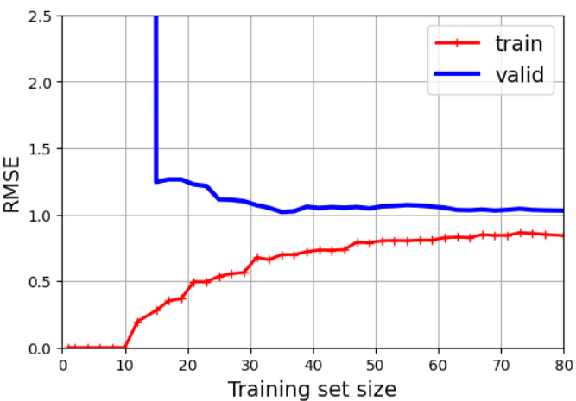

Example | def column_ratio(X): return X[:,[0]] / X[:,[1]] def ratio_name(function_transformer, feature_names_in): return ['ratio'] def ratio_pipeline(): return make_pipeline( SimpleImputer(strategy='median'), FunctionTransformer(column_ratio, feature_names_out=ratio_name), StandardScaler()) log_pipeline = make_pipeline( SimpleImputer(strategy='median'), FunctionTransformer(np.log, feature_names_out="one-to-one"), StandardScaler()) cluster_simil = ClusterSimilarity(n_clusters=10, gamma=1, random_state=42) | Hands_On_Scikit_Keras_Tensorflow pg87,88
 | cat_pipeline = make_pipeline( SimpleImputer(strategy='most_frequent'), OneHotEncoder(handle_unknown='ignore')) default_num_pipeline = make_pipeline(SimpleImputer(strategy='median'), StandardScaler()) preprocessing = ColumnTransformer([ ('bedrooms', ratio_pipeline(), ["total_bedrooms","total_rooms"]), ("rooms_per_house", ratio_pipeline(),["total_rooms","households"]), ("people_per_house", ratio_pipeline(), ["population","households"]), ("log", log_pipeline, ["total_bedrooms","total_rooms","population", "households","median_income"]), ("geo", cluster_simil, ['latitude','longitude']), ("cat", cat_pipeline, make_column_selector(dtype_include=object)) ], remainder = default_num_pipeline) # one column remaining: housing_median_age
 | housing_prepared = preprocessing.fit_transform(housing) housing_prepared.shape preprocessing.get_feature_names_out()

Tree
Type | Name | Arguments | Description | URL | Examples | Reference
Modules |  |  |  |  |  | GL_Supervised_Wk1_Notebook GL_Classification_Wk1_HandsOn

Tree | sklearn.tree.DecisionTreeClassifier() | sklearn.tree.DecisionTreeClassifier(*, criterion='gini', splitter='best', max_depth=None, min_samples_split=2, min_samples_leaf=1, min_weight_fraction_leaf=0.0, max_features=None, random_state=None, max_leaf_nodes=None, min_impurity_decrease=0.0, class_weight=None, ccp_alpha=0.0, monotonic_cst=None) | A decision tree classifier. | DecisionTreeClassifier — scikit-learn 1.6.0 documentation | model = DecisionTreeClassifier(criterion="gini", random_state=1) model.fit(X_train, y_train) ----------------------------------------------- # Grid of parameters to choose from parameters = { "max_depth": np.arange(10, 30, 5), "min_samples_leaf": [3, 5, 7], "max_leaf_nodes": [2, 3, 5], "min_impurity_decrease": [0.0001, 0.001],} scorer = metrics.make_scorer(metrics.recall_score) #Calling GridSearchCV grid_cv = GridSearchCV(estimator=model, param_grid=param_grid, scoring=scorer, cv=5, n_jobs = -1, verbose= 2) | GL_Classification_Wk2_Loan_Delinquent GL_Hypertuning_Wk2_Supermarket
 | sklearn.tree.DecisionTreeClassifier().cost_complexity_pruning_path() | cost_complexity_pruning_path(X, y, sample_weight=None) | Compute the pruning path during Minimal Cost-Complexity Pruning.. Provides the values ['ccp_alphas'] and['impurities']. A higher ccp_alpha value leads to more nodes being pruned, resulting in a simpler tree, while a lower value allows the tree to grow deeper, potentially leading to overfitting. Choosing the right ccp_alpha is crucial for achieving optimal generalization and balancing bias and variance in the model. | DecisionTreeClassifier — scikit-learn 1.7.dev0 documentation | clf = DecisionTreeClassifier(random_state=1) path = clf.cost_complexity_pruning_path(X_train,y_train) ccp_alphas, impurities = path.ccp_alphas, path.impurities ---------------------------------------------------- # Build the decision tree classifier (DTC) clf = DTC(criterion='entropy', random_state=0) clf.fit(X_train, High_train) accuracy_score(High_test, clf.predict(X_test)) ccp_path = clf.cost_complexity_pruning_path(X_train, High_train) | GL_Classification_Wk2_Loan_Delinquent ISLP pg357
 | sklearn.tree.DecisionTreeClassifier().feature_importances_ | sklearn.tree.DecisionTreeClassifier().feature_importances_ | Return the feature importances. The importance of a feature is computed as the (normalized) total reduction of the criterion brought by that feature. It is also known as the Gini importance. Warning: impurity-based feature importances can be misleading for high cardinality features (many unique values). | DecisionTreeClassifier — scikit-learn 1.7.dev0 documentation | importances = model.feature_importances_ indices = np.argsort(importances) plt.figure(figsize=(12, 12)) plt.title("Feature Importances") plt.barh(range(len(indices)), importances[indices], color="violet", align="center") plt.yticks(range(len(indices)), [feature_names[i] for i in indices]) plt.xlabel("Relative Importance") plt.show() | GL_Classification_Wk2_Loan_Delinquent
 | sklearn.tree.DecisionTreeClassifier().fit() | fit(X, y, sample_weight=None, check_input=True) | In scikit-learn, the fit() method is used to train a machine learning model on a given dataset. Specifically, for DecisionTreeClassifier, it builds a decision tree from the training data. | DecisionTreeClassifier — scikit-learn 1.7.dev0 documentation | model = DecisionTreeClassifier(criterion="gini", random_state=1) model.fit(X_train, y_train) | GL_Classification_Wk2_Loan_Delinquent
 | sklearn.tree.DecisionTreeClassifier().predict() | predict(X, check_input=True) | Predict class or regression value for X. For a classification model, the predicted class for each sample in X is returned. For a regression model, the predicted value based on X is returned. | DecisionTreeClassifier — scikit-learn 1.7.dev0 documentation | models.append(("dtree", DecisionTreeClassifier(random_state=1))) model.fit(X_train, y_train) scores = recall_score(y_val, model.predict(X_val)) | Gl_Hypertuning_Wk2_Additional_Case
 | sklearn.tree.DecisionTreeClassifier().predict_proba() | predict_proba(X, check_input=True) | Predict class probabilities of the input samples X. The predicted class probability is the fraction of samples of the same class in a leaf. | DecisionTreeClassifier — scikit-learn 1.7.dev0 documentation | # predict the probability of the first record dt.predict_proba(X.iloc[[0]]) | Machine_Learning_Pocket_Ref pg120
 | sklearn.tree.DecisionTreeClassifier().predict_log_proba() | predict_log_proba(X) | Predict class log-probabilities of the input samples X. | DecisionTreeClassifier — scikit-learn 1.7.dev0 documentation | # predict the log probability of the first record dt.predict_log_proba(X.iloc[[0]]) | Machine_Learning_Pocket_Ref pg120
 | sklearn.tree.DecisionTreeClassifier().score() | score(X, y, sample_weight=None) | Return the mean accuracy on the given test data and labels. In multi-label classification, this is the subset accuracy which is a harsh metric since you require for each sample that each label set be correctly predicted. | DecisionTreeClassifier — scikit-learn 1.7.dev0 documentation | # retrieve the accuracy score dt.score(X_test, y_test) | Machine_Learning_Pocket_Ref pg120
 | sklearn.tree.DecisionTreeClassifier().tree_.n_leaves | tree_.n_leaves | return the number of leaves in the decision tree | DecisionTreeClassifier — scikit-learn 1.7.dev0 documentation | best_.tree_.n_leaves | ISLP pg358
 | sklearn.tree_DecisionTreeRegressor() | sklearn.tree.DecisionTreeRegressor(*, criterion='squared_error', splitter='best', max_depth=None, min_samples_split=2, min_samples_leaf=1, min_weight_fraction_leaf=0.0, max_features=None, random_state=None, max_leaf_nodes=None, min_impurity_decrease=0.0, ccp_alpha=0.0, monotonic_cst=None) | A decision tree regressor | DecisionTreeRegressor — scikit-learn 1.7.dev0 documentation | from sklearn.tree import DecisionTreeRegressor dtr = DecisionTreeRegressor(random_state=42) dtr.fit(bos_X_train, bos_y_train) ------------------------------------------------- #decision tree dtregressor = DecisionTreeRegressor(max_depth=3) dtregressor.fit(X,y) print(dtregressor.predict(np.array([newsentiment]).reshape(-1,1))) #Decision tree MAE (mean absolute error) P = np.array([allsentiment]).reshape(-1,1) allprediction=dtregressor.predict(P) predictionerror=abs(allprediction-allsentiment) print(np.mean(predictionerror)) --------------------------------------------------- # preprocessing is a pipeline tree_reg = make_pipeline(preprocessing, DecisionTreeRegressor(random_state=42)) tree_reg.fit(housing, housing_labels) housing_predictions = tree_reg.predict(housing) tree_rmse = root_mean_squared_error(housing_labels, housing_predictions) | Machine_Learning_Pocket_Ref pg202 Dive_into_Data_Science pg129, 134 Hands_On_Scikit_Keras_Tensforflow pg89
 | sklearn.tree_DecisionTreeRegressor().fit() | fit(X, y, sample_weight=None, check_input=True) | Build a decision tree regressor from the training set (X, y) | DecisionTreeRegressor — scikit-learn 1.7.dev0 documentation | from sklearn.tree import DecisionTreeRegressor dtr = DecisionTreeRegressor(random_state=42) dtr.fit(bos_X_train, bos_y_train) | Machine_Learning_Pocket_Ref pg202
 | sklearn.tree_DecisionTreeRegressor().score() | score(X, y, sample_weight=None) | Return the coefficient of determination of the prediction. R-squared | DecisionTreeRegressor — scikit-learn 1.7.dev0 documentation | dtr.score(bos_X_test, bos_y_test) | Machine_Learning_Pocket_Ref pg203
 | sklearn.tree.export_graphviz() | sklearn.tree.export_graphviz(decision_tree, out_file=None, *, max_depth=None, feature_names=None, class_names=None, label='all', filled=False, leaves_parallel=False, impurity=True, node_ids=False, proportion=False, rotate=False, rounded=False, special_characters=False, precision=3, fontname='helvetica') | Export a decision tree in DOT format. This function generates a GraphViz representation of the decision tree, which is then written into out_file. Once exported, graphical renderings can be generated | export_graphviz — scikit-learn 1.7.dev0 documentation | # to view the tree import pydotplus import graphviz from io import StringIO from sklearn.tree import export_graphviz from IPython.display import Image dot_data = StringIO() export_graphviz( dt, out_file=dot_data, feature_names=X.columns, class_names=["Died","Survived"], filled=True) g = pydotplus.graph_from_dot_data(dot_data.getvalue()) g.write_png("mlpr_1002.png") Image(g.create_png()) | Machine_Learning_Pocket_Ref pg122 | 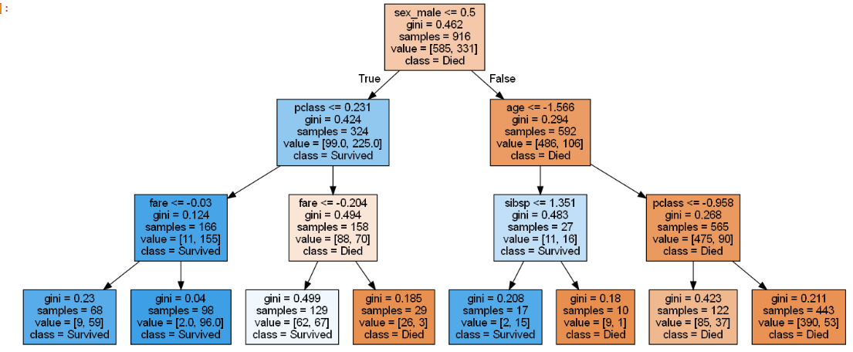
 | sklearn.tree.export_text() | sklearn.tree.export_text(decision_tree, *, feature_names=None, class_names=None, max_depth=10, spacing=3, decimals=2, show_weights=False) | Build a text report showing the rules of a decision tree. | export_text — scikit-learn 1.7.dev0 documentation | # Text report showing the rules of a decision tree - print(tree.export_text(model, feature_names=feature_names, show_weights=True)) ---------------------------------------------- print(export_text(clf, feature_names=feature_names, show_weights=True)) | GL_Classification_Wk2_Loan_Delinquent ISLP pg356 | 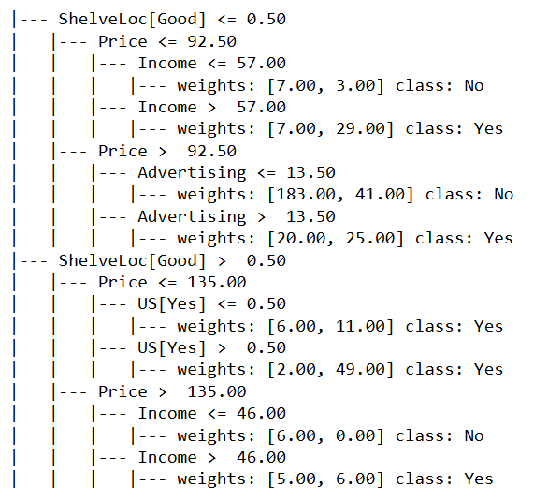
 | sklearn.tree.plot_tree() | sklearn.tree.plot_tree(decision_tree, *, max_depth=None, feature_names=None, class_names=None, label='all', filled=False, impurity=True, node_ids=False, proportion=False, rounded=False, precision=3, ax=None, fontsize=None) | Plot a decision tree. The sample counts that are shown are weighted with any sample_weights that might be present. The visualization is fit automatically to the size of the axis. Use the figsize or dpi arguments of plt.figure to control the size of the rendering. | plot_tree — scikit-learn 1.7.dev0 documentation | plt.figure(figsize=(20,30)) out = tree.plot_tree( model, feature_names=feature_names, filled=True, fontsize=9, node_ids = True, class_names=True) for o in out: arrow = o.arrow_patch if arrow is not None: arrow.set_edgecolor("black") arrow.set_linewidth(1) plt.show() --------------------------------- # build the decision tree regressor (DTR) reg = DTR(max_depth=3).fit(X_train, y_train) ax = plt.subplots(figsize=(12,12))[1] plot_tree(reg, feature_names=feature_names, ax=ax) plt.show() | GL_Classification_Wk2_Loan_Delinquent ISLP pg359 | 